base

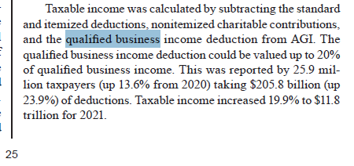
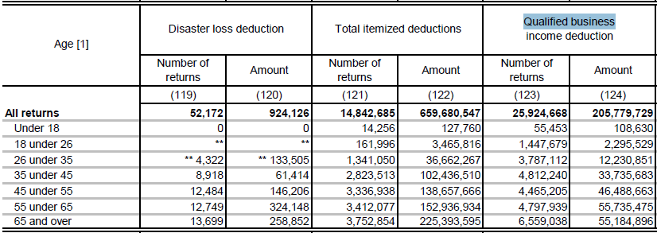
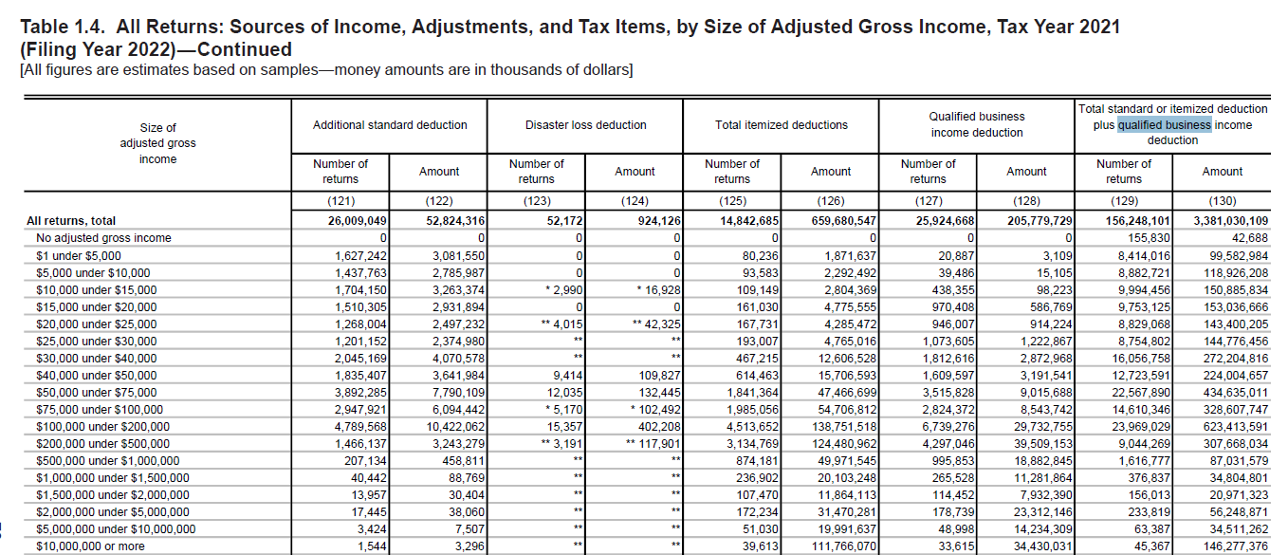
 |  |  |  | names006_originalsums006sumdiffc0010013,524,492,903,569.1414,841,115,772,263.211,316,622,868,694.07e00900560,242,492,314.37423,740,153,678.04−136,502,338,636.33e26270415,240,709,692.51302,470,112,343.80−112,770,597,348.71e021007,343,082,312.1429,793,455,160.2922,450,372,848.15e272006,273,789,262.1617,940,569,130.9911,666,779,868.83PT_binc_w2_wages432,494,629,040.03343,174,353,395.62−89,320,275,644.41qbided202,928,050,311.35154,893,271,963.68−48,034,778,347.67qbi1,312,213,367,069.631,038,940,238,175.55−273,273,128,894.08ratio199,273,300.91586,387,644.74387,114,343.83

name | s006_originalsum | s006sum | diff
c00100 | 13,524,492,903,569 | 14,841,115,772,263 | 1,316,622,868,694
e00900 | 560,242,492,314 | 423,740,153,678 | −136,502,338,636.33
e26270 | 415,240,709,693 | 302,470,112,344 | −112,770,597,348.71
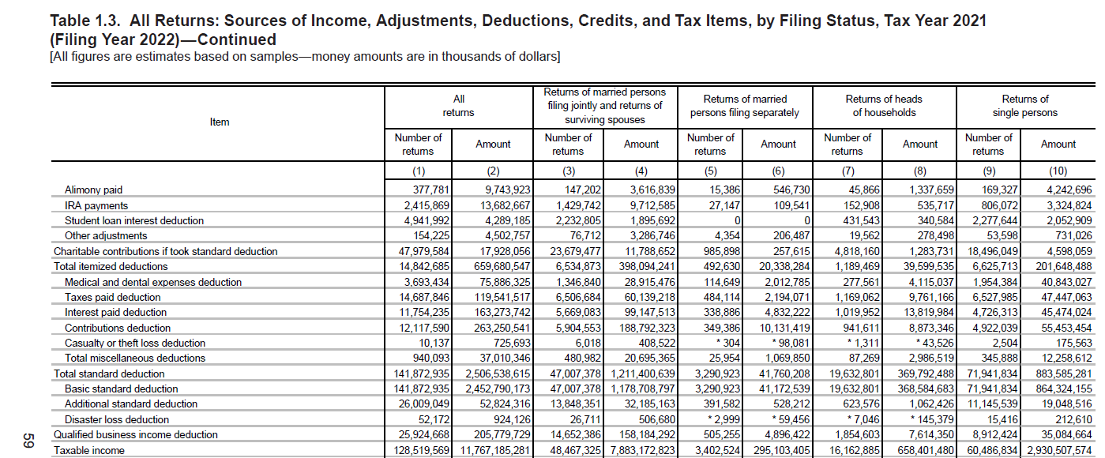
e02100 | 7,343,082,312 | 29,793,455,160 | 22,450,372,848
e27200 | 6,273,789,262 | 17,940,569,131 | 11,666,779,869 |  |  |  | 2018 | 2019 | 2020 | 2021
PT_binc_w2_wages | 432,494,629,040 | 343,174,353,396 | −89,320,275,644.41
qbided | 202,928,050,311 | 154,893,271,964 | −48,034,778,347.67 |  |  | Qualified business income deduction: Number of returns | 18,664,592 | 22,243,545 | 22,827,118 | 25,924,668 | 21intaba.xls
qbi | 1,312,213,367,070 | 1,038,940,238,176 | −273,273,128,894.08 |  |  | Amount | 149,950,908 | 155,249,163 | 166,114,002 | 205,779,729
ratio | 199,273,301 | 586,387,645 | 387,114,344

qsum | 989,100,073,581 | 773,944,290,313 | 34,117,152,717
% qbi | 75% | 74% |  |  | Publication 1304, 2021

irs forms
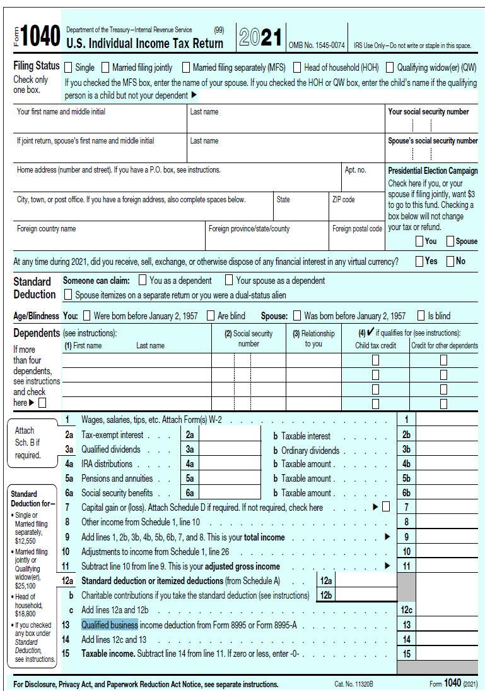

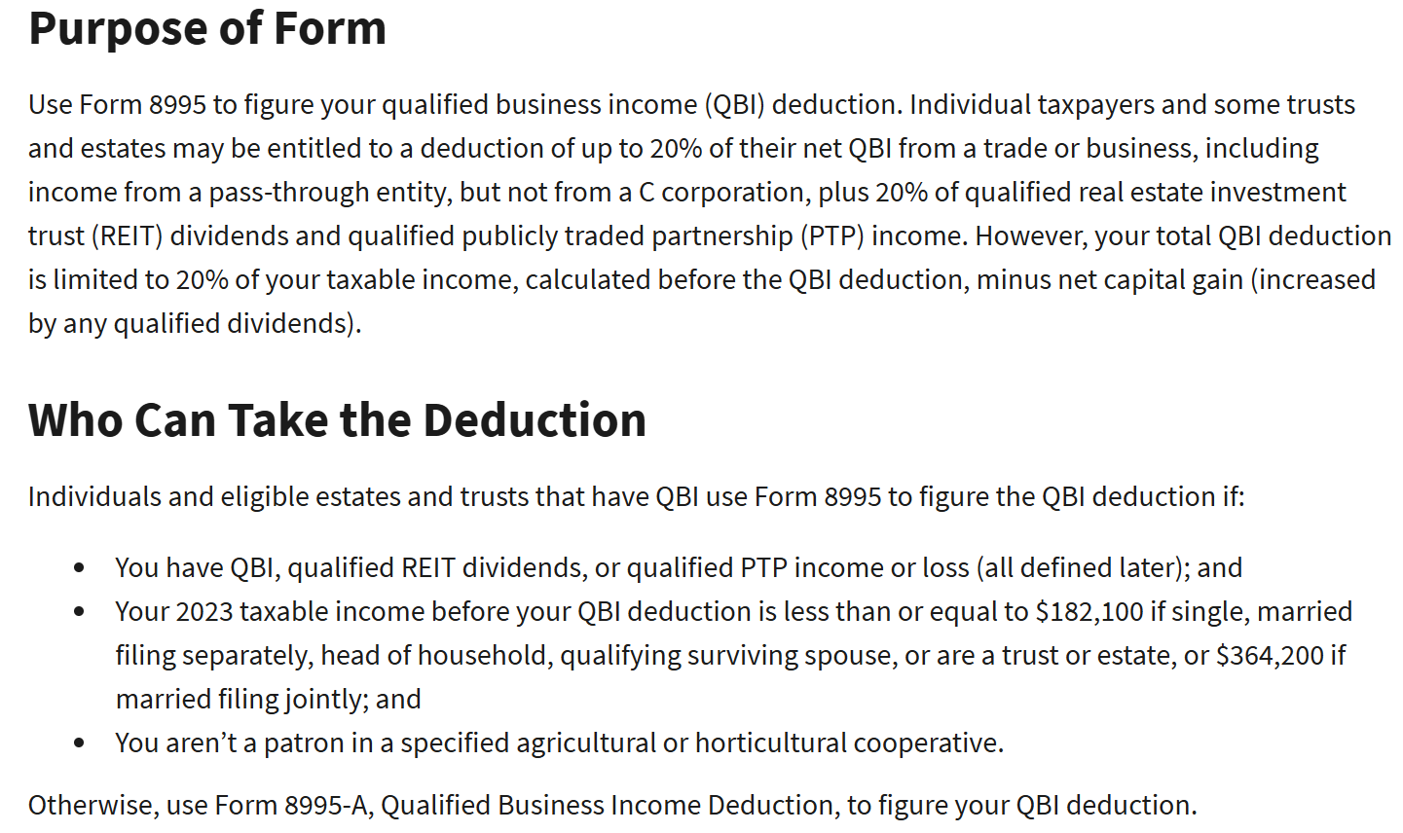
https://www.irs.gov/instructions/i8995

TBL14djb
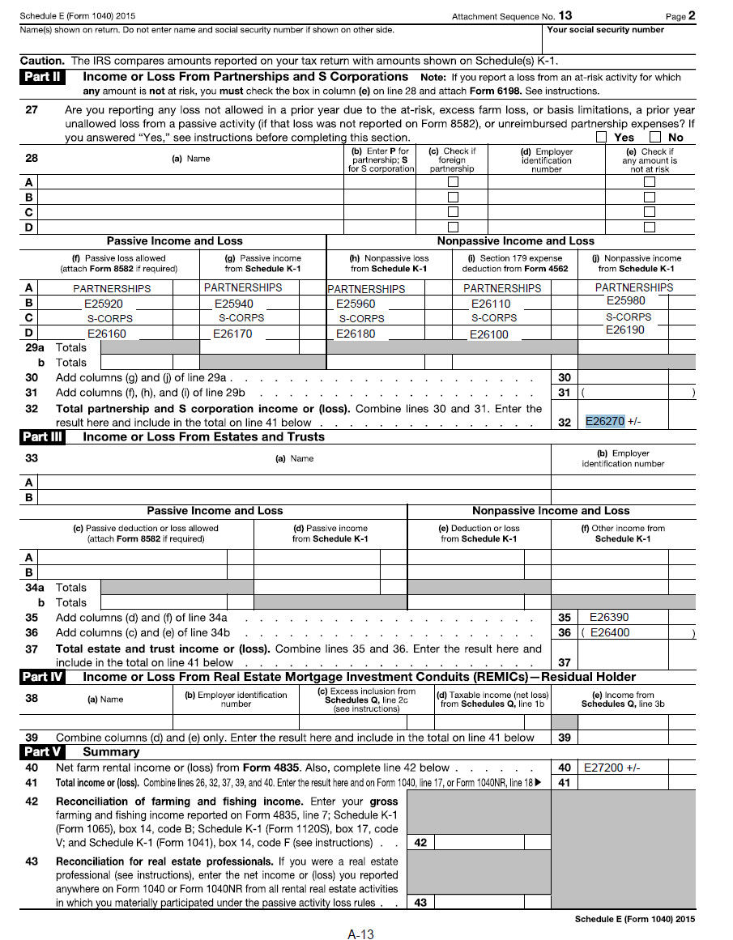
Table 1.4. All Returns: Sources of Income, Adjustments, and Tax Items, by Size of Adjusted Gross Income, Tax Year 2021 (Filing Year 2022) |  |  |  |  |  |  |  |  |  |  |  |  |  |  |  |  |  |  |  |  |  |  |  |  |  |  |  |  |  |  |  |  |  |  |  |  |  |  |  |  |  |  |  |  |  |  |  |  |  |  |  |  |  |  |  |  |  |  |  |  |  |  |  |  |  |  |  |  |  |  |  |  |  |  |  |  |  |  |  |  |  |  |  |  |  |  |  |  |  |  |  |  |  |  |  |  |  |  |  |  |  |  |  |  |  |  |  |  |  |  |  |  |  |  |  |  |  |  |  |  |  |  |  |  |  |  |  |  |  |  |  |  |  |  |  |  |  |  |  |  |  | qbi = np.maximum(0, puf.E00900 + puf.E26270 + puf.E02100 + puf.E27200)
(All figures are estimates based on samples—money amounts are in thousands of dollars) |  |  |  |  |  |  |  |  |  |  |  |  |  |  |  |  |  |  |  |  |  |  |  |  |  |  |  |  |  |  |  |  |  |  |  |  |  |  |  |  |  |  |  |  |  |  |  |  |  |  |  |  |  |  |  |  |  |  |  |  |  |  |  |  |  |  |  |  |  |  |  |  |  |  |  |  |  |  |  |  |  |  |  |  |  |  |  |  |  |  |  |  |  |  |  |  |  |  |  |  |  |  |  |  |  |  |  |  |  |  |  |  |  |  |  |  |  |  |  |  |  |  |  |  |  |  |  |  |  |  |  |  |  |  |  |  |  |  |  |  |  |  |  | 2015 | 2021 | our sum of nets
Size of adjusted gross income | Number of returns | Adjusted gross income less deficit | Total income |  | Salaries and wages |  | Taxable interest |  | Tax-exempt interest [1] |  | Ordinary dividends |  | Qualified dividends [1] |  | State income tax refunds |  | Alimony received |  | Business or profession |  |  |  | Capital gain distributions reported on Form 1040 |  | Sales of capital assets reported on Form 1040, Schedule D [2] |  |  |  | Sales of property other than capital assets |  |  |  | Taxable Individual Retirement Arrangement (IRA) distributions |  | Pensions and annuities |  |  |  | Rent |  |  |  | Royalty |  |  |  | Farm rental |  |  |  | Total rental and royalty |  |  |  | Partnership |  |  |  | S corporation |  |  |  | Estate and trust |  |  |  | Farm |  |  |  | Unemployment compensation |  | Social security benefits |  |  |  | Foreign-earned income exclusion |  | Other income |  |  |  | Net operating loss |  | Gambling earnings |  | Cancellation of debt |  | Taxable health savings account distributions |  | Statutory adjustments |  |  |  |  |  |  |  |  |  |  |  |  |  |  |  | Total itemized deductions |  | Qualified business income deduction |  | Total standard or itemized deduction plus qualified business income deduction |  | Taxable income |  | Alternative minimum tax |  | Excess advance premium tax credit repayment |  | Income tax before credits |  | Number of returns | Adjusted gross income less deficit | Business or profession |  |  |  | Partnership |  |  |  | S corporation |  |  |  |  |  |  | Qualified business income deduction |  |  |  | e00900 | Business / professional income or loss | 331,814,301 |  | 423,740,153,678
 |  |  |  |  |  |  |  |  |  |  |  |  |  |  |  |  |  |  | Net income |  | Net loss |  |  |  | Taxable net gain |  | Taxable net loss |  |  |  |  |  |  |  |  |  |  |  | Net income |  | Net loss (includes nondeductible loss) |  | Net income |  | Net loss |  | Net income |  | Net loss |  | Net income |  | Net loss |  | Net income |  | Net loss |  | Net income |  | Net loss |  | Net income |  | Net loss |  | Net income |  | Net loss |  |  |  | Total [1] |  | Taxable |  |  |  | Net income |  | Net loss |  |  |  |  |  |  |  |  |  | Total [3] |  | Educator expenses deduction |  | Certain business expenses of reservists, performing artists, etc. |  | Health savings account deduction |  | Moving expenses adjustment |  | Deductible part of self-employment tax |  | Payments to a Keogh plan |  | Self-employed health insurance deduction |  |  |  |  |  |  |  |  |  |  |  |  |  |  |  |  |  | Net income |  | Net loss |  | Net income |  | Net loss |  | Net income |  | Net loss |  |  |  |  |  |  |  |  | e26270 | Partnership and S Corp income or loss | 629,004,575 |  | 302,470,112,344 | 726,210,266,022
 |  |  |  |  |  |  |  |  |  |  |  |  |  |  |  |  |  |  |  |  |  |  |  |  |  |  |  |  | Net gain |  | Net loss |  |  |  | Total [1] |  | Taxable [3] |  |  |  |  |  |  |  |  |  |  |  |  |  |  |  |  |  |  |  |  |  |  |  |  |  |  |  |  |  |  |  |  |  |  |  |  |  |  |  |  |  |  |  |  |  |  |  |  |  |  |  |  |  |  |  |  |  |  |  |  |  |  |  |  |  |  |  |  |  |  |  |  |  |  |  |  |  |  |  |  |  |  |  |  |  |  |  |  |  |  |  |  |  |  |  |  |  |  |  |  |  |  |  |  | e02100 | Farm income or loss | (13,963,784) |  | 29,793,455,160
 |  |  | Number of returns | Amount | Number of returns | Amount | Number of returns | Amount | Number of returns | Amount | Number of returns | Amount | Number of returns | Amount | Number of returns | Amount | Number of returns | Amount | Number of returns | Amount | Number of returns | Amount | Number of returns | Amount | Number of returns | Amount | Number of returns | Amount | Number of returns | Amount | Number of returns | Amount | Number of returns | Amount | Number of returns | Amount | Number of returns | Amount | Number of returns | Amount | Number of returns | Amount | Number of returns | Amount | Number of returns | Amount | Number of returns | Amount | Number of returns | Amount | Number of returns | Amount | Number of returns | Amount | Number of returns | Amount | Number of returns | Amount | Number of returns | Amount | Number of returns | Amount | Number of returns | Amount | Number of returns | Amount | Number of returns | Amount | Number of returns | Amount | Number of returns | Amount | Number of returns | Amount | Number of returns | Amount | Number of returns | Amount | Number of returns | Amount | Number of returns | Amount | Number of returns | Amount | Number of returns | Amount | Number of returns | Amount | Number of returns | Amount | Number of returns | Amount | Number of returns | Amount | Number of returns | Amount | Number of returns | Amount | Number of returns | Amount | Number of returns | Amount | Number of returns | Amount | Number of returns | Amount | Number of returns | Amount | Number of returns | Amount | Number of returns | Amount | Number of returns | Amount | Number of returns | Amount | Number of returns | Amount | Number of returns | Amount |  |  | Number of returns | Amount | Number of returns | Amount | Number of returns | Amount | Number of returns | Amount | Number of returns | Amount | Number of returns | Amount |  |  |  | Number of returns | Amount |  |  | e27200 | Net farm rental income | 4,494,377 |  | 17,940,569,131
 |  |  |  |  |  |  |  |  |  |  |  |  |  |  |  |  |  |  |  |  |  |  |  |  |  |  |  |  |  |  |  |  |  |  |  |  |  |  |  |  |  |  |  |  |  |  |  |  |  |  |  |  |  |  |  |  |  |  |  |  |  |  |  |  |  |  |  |  |  |  |  |  |  |  |  |  |  |  |  |  |  |  |  |  |  |  |  |  |  |  |  |  |  |  |  |  |  |  |  |  |  |  |  |  |  |  |  |  |  |  |  |  |  |  |  |  |  |  |  |  |  |  |  |  |  |  |  |  |  |  |  |  |  |  | e26270 |  |  |  |  | n qbid vs n posbus | $ qbid vs $ posbus
 | (1) | (2) | (3) | (4) | (5) | (6) | (7) | (8) | (9) | (10) | (11) | (12) | (13) | (14) | (15) | (16) | (17) | (18) | (19) | (20) | (21) | (22) | (23) | (24) | (25) | (26) | (27) | (28) | (29) | (30) | (31) | (32) | (33) | (34) | (35) | (36) | (37) | (38) | (39) | (40) | (41) | (42) | (43) | (44) | (45) | (46) | (47) | (48) | (49) | (50) | (51) | (52) | (53) | (54) | (55) | (56) | (57) | (58) | (59) | (60) | (61) | (62) | (63) | (64) | (65) | (66) | (67) | (68) | (69) | (70) | (71) | (72) | (73) | (74) | (75) | (76) | (77) | (78) | (79) | (80) | (81) | (82) | (83) | (84) | (85) | (86) | (87) | (88) | (89) | (90) | (91) | (92) | (93) | (94) | (95) | (96) | (97) | (98) | (99) | (100) | (101) | (102) | (103) | (104) | (105) | (106) | (125) | (126) | (127) | (128) | (129) | (130) | (131) | (132) | (133) | (134) | (135) | (136) | (137) | (138) | (1) | (2) | (19) | (20) | (21) | 22 | (55) | (56) | (57) | (58) | (59) | (60) | (61) | (62) | net | sum | qbided % (e00900 + e26270) | (127) | (128)
All returns, total | 160,824,340 | 14,795,614,070 | 158,096,247 | 14,936,967,974 | 126,082,290 | 9,022,352,941 | 48,990,485 | 103,535,203 | 6,569,327 | 55,518,422 | 32,247,057 | 386,961,461 | 30,524,800 | 295,906,194 | 3,150,440 | 3,567,122 | 258,837 | 8,507,104 | 21,105,685 | 517,081,772 | 7,546,660 | 105,580,403 | 4,505,544 | 23,889,533 | 20,497,375 | 2,048,795,356 | 8,074,079 | 16,241,889 | 1,106,072 | 71,724,946 | 889,755 | 21,038,506 | 15,584,165 | 408,382,461 | 32,171,355 | 1,506,948,061 | 29,357,159 | 858,038,339 | 4,928,465 | 91,678,200 | 4,490,482 | 75,817,327 | 1,680,569 | 31,380,913 | 76,543 | 660,474 | 350,326 | 6,186,997 | 72,972 | 631,042 | 6,305,037 | 125,168,233 | 3,496,912 | 56,765,983 | 3,201,572 | 469,816,308 | 1,990,357 | 168,152,043 | 3,878,815 | 766,681,240 | 1,453,974 | 92,689,104 | 624,529 | 49,387,898 | 49,450 | 5,899,376 | 449,238 | 13,337,377 | 1,274,905 | 39,479,321 | 15,809,172 | 208,872,354 | 31,293,066 | 791,161,174 | 23,798,351 | 412,830,233 | 430,205 | 28,104,316 | 5,930,776 | 62,702,551 | 453,932 | 12,163,207 | 1,155,701 | 185,261,326 | 2,249,499 | 46,630,967 | 798,188 | 6,955,173 | 533,041 | 677,875 | 32,835,517 | 141,160,696 | 3,115,144 | 826,402 | 273,260 | 2,082,951 | 1,933,557 | 5,888,886 | 94,125 | 268,955 | 21,622,374 | 38,595,947 | 998,658 | 28,919,016 | 3,667,399 | 30,805,238 | 14,842,685 | 659,680,547 | 25,924,668 | 205,779,729 | 156,248,101 | 3,381,030,109 | 128,519,569 | 11,767,185,281 | 243,550 | 5,598,598 | 2,632,104 | 3,862,542 | 127,874,599 | 2,290,478,645 | 160,824,340 | 14,795,614,070 | 21,105,685 | 517,081,772 | 7,546,660 | 105,580,403 | 3,201,572 | 469,816,308 | 1,990,357 | 168,152,043 | 3,878,815 | 766,681,240 | 1,453,974 | 92,689,104 | 975,656,401 | 1,387,157,770 | 14.8% | 25,924,668 | 205,779,729 | 122.8% | 39.8%
No adjusted gross income | 4,098,522 | -171,836,364 | 1,370,429 | -169,858,654 | 488,212 | 23,670,507 | 565,509 | 3,480,795 | 57,924 | 958,274 | 375,055 | 3,366,312 | 340,668 | 2,343,007 | 15,457 | 35,097 | 444 | 23,006 | 177,452 | 4,193,499 | 496,910 | 19,401,043 | 22,086 | 65,371 | 168,588 | 19,015,791 | 347,354 | 860,874 | 54,720 | 2,397,268 | 79,342 | 8,127,233 | 114,208 | 1,992,887 | 248,894 | 6,763,059 | 193,961 | 3,171,606 | 102,529 | 2,263,877 | 179,830 | 6,633,241 | 35,988 | 377,792 | ** 3,480 | ** 146,702 | 5,746 | 119,293 | ** 4,717 | ** 90,977 | 127,457 | 2,442,565 | 186,685 | 7,147,339 | 51,367 | 3,495,518 | 154,045 | 41,556,919 | 29,831 | 4,391,548 | 184,546 | 29,520,422 | 10,588 | 488,912 | 4,170 | 1,259,085 | 14,607 | 344,187 | 124,736 | 7,108,462 | 124,275 | 1,731,244 | 1,122,130 | 23,536,368 | 1,810 | 5,051 | 108,700 | 5,250,749 | 62,450 | 1,022,134 | 31,538 | 2,034,616 | 424,830 | 146,765,995 | 18,460 | 149,339 | 14,002 | 907,186 | 460 | 937 | 311,422 | 1,961,951 | 7,565 | 1,965 | * 2,999 | * 92,689 | 10,732 | 44,460 | ** 2,545 | ** 34,284 | 187,229 | 297,766 | 4,248 | 160,804 | 76,579 | 558,177 | 0 | 0 | 0 | 0 | 155,830 | 42,688 | 0 | 0 | 3,867 | 173,716 | 22,927 | 7,590 | 29,216 | 225,572 | 4,098,522 | -171,836,364 | 177,452 | 4,193,499 | 496,910 | 19,401,043 | 51,367 | 3,495,518 | 154,045 | 41,556,919 | 29,831 | 4,391,548 | 184,546 | 29,520,422 | -63,190,275 | -78,397,819 | 0.0% | 0 | 0 | 0.0% | 0.0%
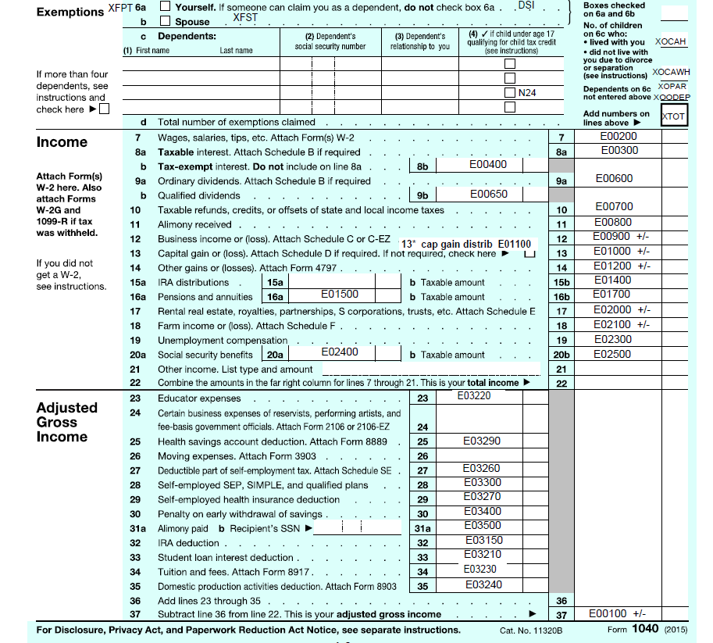
$1 under $5,000 | 8,487,025 | 19,987,243 | 8,487,025 | 20,664,427 | 4,990,145 | 20,132,275 | 1,715,167 | 448,690 | 81,923 | 88,126 | 790,696 | 717,653 | 712,438 | 466,517 | 21,911 | 15,458 | * 4,031 | * 11,196 | 1,387,699 | 3,659,049 | 129,756 | 1,090,552 | 147,555 | 113,762 | 329,154 | 594,696 | 232,283 | 454,913 | 7,539 | 96,539 | 10,999 | 108,186 | 291,248 | 803,551 | 747,616 | 5,734,467 | 693,782 | 2,194,380 | 70,359 | 213,915 | 54,264 | 559,661 | 33,794 | 32,010 | ** | ** | * 4,246 | * 14,451 | ** | ** | 105,186 | 252,165 | 47,651 | 450,428 | 27,783 | 191,043 | 20,109 | 280,618 | 20,073 | 92,564 | 22,633 | 795,211 | 4,262 | 10,954 | * 2,616 | * 3,360 | 20,251 | 78,538 | 22,206 | 398,502 | 197,448 | 1,192,432 | 2,034,531 | 39,846,341 | 17,871 | 56,211 | 96,916 | 5,218,767 | 309,125 | 383,931 | 38,412 | 954,017 | 76,767 | 634,259 | 54,800 | 106,858 | 22,373 | 170,816 | * 1,328 | * 659 | 1,252,117 | 667,423 | 4,683 | 1,129 | * 4,015 | * 53,559 | * 2,927 | * 11,766 | 0 | 0 | 1,176,024 | 261,021 | * 3 | * 69 | 52,851 | 143,747 | 80,236 | 1,871,637 | 20,887 | 3,109 | 8,414,016 | 99,582,984 | 229,950 | 295,328 | ** 18 | ** 1,480 | 31,498 | 11,475 | 181,180 | 85,408 | 8,487,025 | 19,987,243 | 1,387,699 | 3,659,049 | 129,756 | 1,090,552 | 27,783 | 191,043 | 20,109 | 280,618 | 20,073 | 92,564 | 22,633 | 795,211 | -792,222 | 1,776,275 | 0.2% | 20,887 | 3,109 | 1.5% | 0.1%
$5,000 under $10,000 | 8,944,908 | 67,651,359 | 8,944,908 | 69,127,875 | 6,353,567 | 48,844,902 | 1,132,747 | 510,374 | 73,701 | 202,799 | 776,574 | 1,068,899 | 708,724 | 667,944 | 22,451 | 13,491 | 14,196 | 95,263 | 1,562,204 | 10,546,179 | 174,436 | 1,934,591 | 156,516 | 245,186 | 332,066 | 1,350,615 | 254,651 | 482,569 | 9,361 | 166,731 | 16,915 | 125,570 | 505,204 | 2,565,706 | 983,565 | 9,362,560 | 944,195 | 5,601,441 | 134,419 | 746,968 | 51,550 | 467,297 | 44,982 | 73,740 | * 2,002 | * 1,231 | * 3,108 | * 17,849 | ** 3,991 | ** 40,317 | 177,352 | 810,504 | 52,142 | 423,191 | 32,994 | 238,826 | 25,878 | 483,055 | 35,163 | 347,412 | 28,589 | 1,043,588 | 7,292 | 59,889 | * 31 | * 121 | 13,583 | 104,570 | 30,507 | 592,734 | 466,107 | 3,477,871 | 1,726,114 | 35,515,487 | 53,922 | 236,096 | 26,737 | 1,595,080 | 164,517 | 555,440 | 18,785 | 393,308 | 69,029 | 701,538 | 47,376 | 186,501 | 20,434 | 77,667 | * 3,024 | * 1,925 | 1,646,469 | 1,467,741 | 17,624 | 4,317 | * 3,017 | * 15,025 | 9,279 | 19,849 | ** | ** | 1,536,614 | 770,726 | * 2,050 | * 4,681 | 76,208 | 275,784 | 93,583 | 2,292,492 | 39,486 | 15,105 | 8,882,721 | 118,926,208 | 256,332 | 842,819 | ** | ** | 34,679 | 11,066 | 230,722 | 95,009 | 8,944,908 | 67,651,359 | 1,562,204 | 10,546,179 | 174,436 | 1,934,591 | 32,994 | 238,826 | 25,878 | 483,055 | 35,163 | 347,412 | 28,589 | 1,043,588 | -940,405 | 7,671,183 | 0.2% | 39,486 | 15,105 | 2.5% | 0.1%
$10,000 under $15,000 | 10,056,377 | 125,912,056 | 10,056,377 | 128,160,740 | 6,943,210 | 83,858,745 | 1,414,387 | 647,673 | 88,828 | 190,552 | 714,119 | 1,183,718 | 653,265 | 721,307 | 32,539 | 21,277 | 14,108 | 137,040 | 2,046,193 | 20,104,970 | 383,871 | 4,550,449 | 130,377 | 280,333 | 374,844 | 1,733,569 | 261,320 | 501,628 | 16,906 | 98,743 | 19,490 | 311,944 | 557,286 | 3,938,974 | 1,301,846 | 15,555,885 | 1,250,111 | 11,373,258 | 155,197 | 1,119,238 | 87,094 | 888,826 | 48,911 | 201,084 | 0 | 0 | 13,838 | 107,374 | ** | ** | 206,801 | 1,400,866 | 79,992 | 825,615 | 47,844 | 456,672 | 27,240 | 398,235 | 32,367 | 453,016 | 22,953 | 889,474 | 6,417 | 58,657 | * 1,375 | * 34,976 | 20,391 | 169,044 | 35,713 | 603,987 | 1,136,775 | 11,528,307 | 1,965,208 | 40,383,202 | 286,325 | 376,863 | 19,525 | 1,320,534 | 206,173 | 633,178 | 22,196 | 364,862 | 77,156 | 646,344 | 68,791 | 302,484 | 33,588 | 212,227 | * 5,006 | * 5,489 | 2,201,225 | 2,242,232 | 26,925 | 6,328 | * 4,330 | * 20,352 | 16,934 | 41,627 | * 2,213 | * 1,254 | 2,021,411 | 1,454,503 | 6,607 | 52,193 | 100,745 | 295,826 | 109,149 | 2,804,369 | 438,355 | 98,223 | 9,994,456 | 150,885,834 | 3,274,058 | 4,468,515 | ** | ** | 71,531 | 30,204 | 3,245,394 | 491,367 | 10,056,377 | 125,912,056 | 2,046,193 | 20,104,970 | 383,871 | 4,550,449 | 47,844 | 456,672 | 27,240 | 398,235 | 32,367 | 453,016 | 22,953 | 889,474 | -378,021 | 15,176,500 | 0.6% | 438,355 | 98,223 | 21.4% | 0.5%
$15,000 under $20,000 | 9,786,580 | 170,836,129 | 9,786,580 | 173,095,595 | 6,925,718 | 112,149,988 | 1,435,178 | 671,713 | 86,676 | 166,021 | 757,406 | 1,521,595 | 703,804 | 1,060,701 | 36,775 | 30,913 | 15,084 | 153,374 | 1,574,602 | 18,140,645 | 489,504 | 5,821,504 | 116,943 | 295,710 | 419,502 | 2,147,651 | 277,969 | 506,220 | 17,378 | 345,900 | 15,131 | 268,413 | 545,318 | 4,783,292 | 1,322,953 | 17,825,944 | 1,268,203 | 14,244,330 | 146,470 | 1,206,072 | 70,746 | 780,433 | 46,362 | 94,624 | * 427 | * 125 | 9,057 | 63,887 | ** 6,034 | ** 33,173 | 192,320 | 1,359,444 | 71,717 | 804,625 | 47,049 | 510,981 | 33,786 | 454,719 | 56,930 | 592,026 | 36,524 | 1,157,717 | 17,044 | 143,010 | * 16 | * 6,988 | 17,667 | 209,409 | 33,840 | 688,891 | 1,878,369 | 24,375,282 | 1,753,163 | 36,698,208 | 1,001,301 | 1,390,216 | 13,544 | 890,276 | 234,984 | 1,180,356 | 17,767 | 350,633 | 53,440 | 563,028 | 69,307 | 335,602 | 36,445 | 195,515 | * 5,007 | * 3,888 | 1,808,059 | 2,249,992 | 48,017 | 11,192 | 13,072 | 127,237 | 12,709 | 19,874 | * 4,031 | * 14,607 | 1,561,123 | 1,340,914 | 4,355 | 35,144 | 82,352 | 258,031 | 161,030 | 4,775,555 | 970,408 | 586,769 | 9,753,125 | 153,036,666 | 7,213,222 | 31,348,526 | ** 13 | ** 434 | 83,567 | 26,598 | 7,085,512 | 3,112,114 | 9,786,580 | 170,836,129 | 1,574,602 | 18,140,645 | 489,504 | 5,821,504 | 47,049 | 510,981 | 33,786 | 454,719 | 56,930 | 592,026 | 36,524 | 1,157,717 | -509,429 | 11,809,712 | 5.0% | 970,408 | 586,769 | 61.6% | 3.2%
$20,000 under $25,000 | 8,863,570 | 199,508,960 | 8,863,570 | 201,976,498 | 6,845,285 | 140,010,172 | 1,439,606 | 678,317 | 83,587 | 254,288 | 685,968 | 1,464,978 | 618,604 | 895,825 | 36,491 | 23,900 | 8,078 | 111,826 | 1,258,745 | 16,237,426 | 404,331 | 4,398,237 | 129,200 | 240,785 | 392,742 | 2,033,390 | 236,185 | 429,782 | 14,270 | 146,699 | 16,258 | 123,026 | 490,238 | 4,888,488 | 1,257,174 | 18,785,258 | 1,195,253 | 15,028,717 | 131,000 | 1,156,233 | 89,290 | 989,512 | 42,108 | 136,320 | * 2,554 | * 19,431 | 14,518 | 76,595 | ** | ** | 173,129 | 1,326,092 | 87,413 | 958,872 | 45,301 | 526,263 | 31,513 | 447,752 | 57,490 | 779,624 | 28,645 | 690,852 | 10,425 | 69,961 | * 16 | * 3,736 | 7,367 | 123,014 | 39,810 | 769,111 | 1,642,065 | 23,100,700 | 1,443,145 | 32,270,846 | 1,239,135 | 3,274,619 | 12,137 | 943,405 | 217,451 | 934,401 | 14,636 | 180,966 | 30,227 | 387,102 | 87,807 | 414,240 | 24,164 | 69,855 | 13,079 | 8,323 | 1,547,617 | 2,459,721 | 60,029 | 13,922 | 13,257 | 157,841 | 28,560 | 59,896 | * 5,039 | * 11,183 | 1,245,945 | 1,194,490 | * 3,489 | * 43,851 | 96,908 | 368,709 | 167,731 | 4,285,472 | 946,007 | 914,224 | 8,829,068 | 143,400,205 | 7,565,336 | 61,206,997 | ** | ** | 140,456 | 44,564 | 7,525,781 | 6,155,804 | 8,863,570 | 199,508,960 | 1,258,745 | 16,237,426 | 404,331 | 4,398,237 | 45,301 | 526,263 | 31,513 | 447,752 | 57,490 | 779,624 | 28,645 | 690,852 | 167,283 | 12,006,472 | 7.6% | 946,007 | 914,224 | 75.2% | 5.6%
$25,000 under $30,000 | 8,787,576 | 241,347,179 | 8,787,576 | 243,833,497 | 7,155,012 | 181,173,976 | 1,470,320 | 739,131 | 84,213 | 183,046 | 686,838 | 1,551,754 | 628,482 | 934,172 | 44,364 | 33,203 | 9,038 | 121,661 | 1,060,963 | 15,467,287 | 398,390 | 4,249,474 | 103,882 | 259,495 | 422,949 | 2,354,104 | 248,004 | 453,545 | 13,370 | 172,742 | 18,613 | 219,973 | 509,524 | 5,079,260 | 1,258,069 | 22,377,250 | 1,176,711 | 16,915,492 | 111,940 | 975,219 | 103,008 | 984,875 | 44,573 | 145,311 | * 1,058 | * 486 | 11,633 | 141,601 | * 1,029 | * 476 | 163,891 | 1,243,079 | 100,383 | 892,664 | 48,690 | 853,533 | 35,076 | 476,041 | 67,025 | 1,069,086 | 28,773 | 896,241 | 9,174 | 91,435 | * 54 | * 833 | 13,202 | 249,390 | 37,520 | 1,082,578 | 1,390,637 | 20,127,231 | 1,320,304 | 30,607,751 | 1,280,188 | 5,194,320 | 10,820 | 764,178 | 187,158 | 832,290 | 29,497 | 500,877 | 50,621 | 798,193 | 99,240 | 514,515 | 33,704 | 135,005 | 15,420 | 9,892 | 1,443,498 | 2,480,911 | 66,828 | 16,300 | 14,825 | 109,426 | 45,165 | 87,088 | * 8,049 | * 11,558 | 1,058,826 | 1,158,783 | 8,770 | 49,360 | 105,211 | 396,485 | 193,007 | 4,765,016 | 1,073,605 | 1,222,867 | 8,754,802 | 144,776,456 | 8,419,122 | 97,212,333 | 1,183 | 97,684 | 163,066 | 67,523 | 8,333,779 | 10,227,467 | 8,787,576 | 241,347,179 | 1,060,963 | 15,467,287 | 398,390 | 4,249,474 | 48,690 | 853,533 | 35,076 | 476,041 | 67,025 | 1,069,086 | 28,773 | 896,241 | 550,337 | 11,768,150 | 10.4% | 1,073,605 | 1,222,867 | 101.2% | 7.9%
$30,000 under $40,000 | 16,123,068 | 561,386,434 | 16,123,068 | 566,513,701 | 13,754,153 | 445,172,100 | 2,801,612 | 1,349,938 | 185,185 | 485,953 | 1,480,384 | 3,306,237 | 1,363,506 | 2,196,487 | 130,581 | 93,974 | 26,262 | 357,539 | 1,633,405 | 26,647,935 | 731,244 | 7,839,859 | 242,939 | 639,548 | 907,889 | 5,913,774 | 466,004 | 811,885 | 43,639 | 500,000 | 38,172 | 342,088 | 887,479 | 9,886,903 | 2,362,435 | 50,636,533 | 2,197,626 | 36,742,864 | 214,658 | 2,109,567 | 193,952 | 2,157,593 | 61,262 | 233,636 | * 2,012 | * 1,789 | 15,124 | 97,215 | * 5,033 | * 31,482 | 271,019 | 2,333,608 | 201,219 | 2,145,126 | 89,514 | 1,429,379 | 56,150 | 1,060,851 | 146,497 | 2,553,876 | 66,998 | 1,582,533 | 17,740 | 128,784 | 2,217 | 39,521 | 26,656 | 467,963 | 76,303 | 1,402,143 | 2,022,975 | 29,558,905 | 2,173,266 | 50,301,193 | 2,171,147 | 14,547,676 | 17,969 | 1,273,482 | 373,573 | 1,592,197 | 31,448 | 464,262 | 77,334 | 1,207,280 | 182,228 | 1,236,975 | 66,165 | 268,861 | 45,250 | 37,946 | 2,470,912 | 5,110,266 | 162,555 | 39,375 | 26,311 | 199,604 | 96,427 | 176,112 | 14,103 | 27,616 | 1,595,889 | 2,008,355 | 12,296 | 66,196 | 188,463 | 826,719 | 467,215 | 12,606,528 | 1,812,616 | 2,872,968 | 16,056,758 | 272,204,816 | 16,053,345 | 289,923,966 | * 100 | * 872 | 437,579 | 236,772 | 15,914,155 | 31,177,700 | 16,123,068 | 561,386,434 | 1,633,405 | 26,647,935 | 731,244 | 7,839,859 | 89,514 | 1,429,379 | 56,150 | 1,060,851 | 146,497 | 2,553,876 | 66,998 | 1,582,533 | 1,339,871 | 20,147,947 | 14.3% | 1,812,616 | 2,872,968 | 111.0% | 10.8%
$40,000 under $50,000 | 12,782,334 | 573,155,378 | 12,782,334 | 578,454,116 | 10,991,851 | 456,243,382 | 2,917,116 | 1,523,359 | 241,353 | 674,362 | 1,585,276 | 3,821,977 | 1,474,068 | 2,523,390 | 163,016 | 119,413 | 19,115 | 313,655 | 1,255,792 | 22,811,556 | 614,437 | 6,422,149 | 262,877 | 778,440 | 975,226 | 6,347,528 | 414,682 | 764,543 | 29,658 | 443,227 | 23,941 | 302,524 | 926,489 | 11,265,236 | 2,237,532 | 52,865,761 | 2,079,488 | 40,461,903 | 208,096 | 1,788,123 | 188,417 | 1,825,122 | 77,274 | 295,138 | * 4,019 | * 4,790 | 15,315 | 111,074 | 6,207 | 37,912 | 289,556 | 2,115,656 | 188,133 | 1,763,351 | 100,861 | 1,915,933 | 70,656 | 935,985 | 127,348 | 2,703,861 | 47,866 | 1,062,758 | 15,074 | 201,827 | * 368 | * 10,079 | 25,852 | 507,439 | 75,816 | 1,772,252 | 1,312,942 | 18,740,477 | 1,960,809 | 45,283,931 | 1,960,565 | 20,950,320 | 13,206 | 1,020,257 | 314,273 | 1,375,031 | 31,565 | 498,751 | 39,346 | 900,346 | 164,559 | 990,478 | 62,007 | 219,609 | 34,242 | 36,614 | 2,291,127 | 5,285,156 | 245,778 | 61,227 | 30,204 | 182,706 | 132,456 | 234,607 | * 4,015 | * 6,836 | 1,266,510 | 1,778,610 | 19,316 | 289,656 | 191,006 | 874,553 | 614,463 | 15,706,593 | 1,609,597 | 3,191,541 | 12,723,591 | 224,004,657 | 12,742,030 | 348,974,613 | 89 | 1,319 | 380,862 | 319,815 | 12,678,971 | 38,366,413 | 12,782,334 | 573,155,378 | 1,255,792 | 22,811,556 | 614,437 | 6,422,149 | 100,861 | 1,915,933 | 70,656 | 935,985 | 127,348 | 2,703,861 | 47,866 | 1,062,758 | 2,621,051 | 19,010,458 | 16.8% | 1,609,597 | 3,191,541 | 128.2% | 14.0%
$50,000 under $75,000 | 22,653,934 | 1,392,395,599 | 22,653,934 | 1,404,063,709 | 19,109,110 | 1,063,075,172 | 6,685,822 | 4,385,387 | 639,872 | 1,839,498 | 3,974,772 | 12,460,005 | 3,723,163 | 8,599,225 | 608,874 | 489,315 | 60,246 | 1,329,923 | 2,395,327 | 48,371,161 | 1,000,873 | 9,576,425 | 690,766 | 2,211,122 | 2,364,604 | 20,655,401 | 1,009,155 | 1,890,497 | 90,602 | 1,306,630 | 64,446 | 535,877 | 2,255,659 | 32,852,491 | 5,090,890 | 164,394,888 | 4,737,483 | 118,581,365 | 570,998 | 6,221,339 | 519,940 | 13,802,521 | 191,439 | 1,156,874 | 6,017 | 7,863 | 46,004 | 847,298 | * 7,048 | * 28,279 | 759,142 | 8,102,192 | 512,458 | 5,248,649 | 255,645 | 5,029,213 | 155,127 | 2,714,271 | 351,051 | 9,980,514 | 160,626 | 4,382,315 | 45,850 | 600,148 | 1,337 | 93,978 | 56,878 | 1,034,609 | 166,968 | 3,895,803 | 2,011,827 | 28,035,317 | 4,373,045 | 104,788,772 | 4,372,880 | 71,433,500 | 24,607 | 1,971,627 | 718,264 | 2,960,689 | 63,069 | 798,678 | 67,888 | 1,647,100 | 358,488 | 2,687,246 | 131,093 | 620,295 | 103,093 | 106,306 | 4,599,397 | 11,633,508 | 558,701 | 138,792 | 53,428 | 457,560 | 277,530 | 559,160 | 19,741 | 45,430 | 2,440,689 | 3,808,345 | 48,775 | 511,510 | 393,340 | 1,847,129 | 1,841,364 | 47,466,699 | 3,515,828 | 9,015,688 | 22,567,890 | 434,635,011 | 22,580,599 | 957,673,164 | 2,897 | 25,173 | 609,477 | 868,685 | 22,515,023 | 115,766,605 | 22,653,934 | 1,392,395,599 | 2,395,327 | 48,371,161 | 1,000,873 | 9,576,425 | 255,645 | 5,029,213 | 155,127 | 2,714,271 | 351,051 | 9,980,514 | 160,626 | 4,382,315 | 7,913,141 | 46,707,877 | 19.3% | 3,515,828 | 9,015,688 | 146.8% | 18.6%
$75,000 under $100,000 | 14,657,726 | 1,271,699,391 | 14,657,726 | 1,281,676,923 | 12,291,548 | 933,327,679 | 5,884,358 | 4,173,567 | 630,282 | 1,906,837 | 3,723,238 | 13,739,836 | 3,518,585 | 9,314,082 | 644,161 | 630,339 | 30,290 | 953,889 | 1,620,171 | 36,692,610 | 712,587 | 7,506,827 | 576,208 | 2,396,707 | 2,289,026 | 27,763,563 | 853,928 | 1,644,525 | 93,350 | 1,318,444 | 85,435 | 697,396 | 2,007,006 | 39,055,981 | 4,189,391 | 183,811,124 | 3,870,768 | 122,865,979 | 522,769 | 6,243,061 | 515,806 | 6,409,591 | 205,700 | 891,124 | 8,177 | 6,437 | 43,250 | 544,939 | 7,678 | 33,638 | 711,934 | 7,488,793 | 506,912 | 5,334,809 | 234,635 | 6,041,749 | 164,162 | 2,618,448 | 344,190 | 12,626,016 | 125,252 | 3,469,917 | 66,873 | 889,093 | 4,539 | 35,427 | 57,639 | 1,377,040 | 175,578 | 3,444,612 | 1,289,395 | 17,043,811 | 3,447,623 | 90,885,785 | 3,446,381 | 73,935,780 | 14,930 | 1,240,789 | 637,360 | 3,015,664 | 33,319 | 503,149 | 37,495 | 1,200,929 | 297,493 | 2,764,693 | 105,392 | 494,246 | 78,249 | 96,260 | 3,128,435 | 9,960,926 | 450,447 | 120,290 | 35,117 | 227,673 | 226,699 | 527,276 | 13,005 | 51,664 | 1,673,199 | 3,038,346 | 53,572 | 634,267 | 344,049 | 2,045,188 | 1,985,056 | 54,706,812 | 2,824,372 | 8,543,742 | 14,610,346 | 328,607,747 | 14,628,527 | 943,012,644 | 3,925 | 9,598 | 292,639 | 619,474 | 14,601,342 | 124,411,058 | 14,657,726 | 1,271,699,391 | 1,620,171 | 36,692,610 | 712,587 | 7,506,827 | 234,635 | 6,041,749 | 164,162 | 2,618,448 | 344,190 | 12,626,016 | 125,252 | 3,469,917 | 12,579,400 | 41,765,183 | 20.5% | 2,824,372 | 8,543,742 | 174.3% | 23.3%
$100,000 under $200,000 | 24,044,481 | 3,297,058,075 | 24,044,481 | 3,326,794,396 | 20,368,720 | 2,355,845,184 | 12,805,970 | 13,402,654 | 1,867,180 | 8,917,871 | 8,972,329 | 51,096,349 | 8,568,560 | 36,162,406 | 1,086,276 | 1,213,217 | 40,181 | 2,015,412 | 3,193,268 | 97,740,921 | 1,328,596 | 13,077,153 | 1,277,399 | 7,791,104 | 5,731,237 | 126,157,757 | 1,948,252 | 3,937,902 | 257,756 | 5,142,705 | 173,023 | 1,562,297 | 4,181,158 | 131,891,844 | 7,698,980 | 502,675,859 | 6,914,014 | 295,456,804 | 1,308,926 | 19,782,031 | 1,203,808 | 13,553,462 | 388,602 | 2,833,218 | 21,754 | 175,149 | 107,814 | 1,947,386 | 19,892 | 153,808 | 1,629,877 | 23,848,755 | 928,576 | 10,158,810 | 761,877 | 26,438,754 | 464,313 | 8,777,366 | 1,023,614 | 51,717,735 | 354,264 | 9,417,120 | 179,736 | 4,607,196 | 11,440 | 99,732 | 108,650 | 3,594,978 | 296,397 | 7,536,800 | 1,840,565 | 23,285,476 | 5,628,183 | 175,599,410 | 5,623,506 | 148,855,563 | 33,813 | 2,958,505 | 1,342,882 | 8,312,971 | 67,135 | 1,082,278 | 76,435 | 4,319,460 | 533,680 | 7,631,646 | 155,404 | 1,016,532 | 138,227 | 227,731 | 6,443,401 | 29,702,856 | 1,097,217 | 315,083 | 56,139 | 346,573 | 537,015 | 1,632,320 | 19,385 | 57,151 | 3,380,718 | 7,744,569 | 237,013 | 4,087,664 | 826,298 | 7,126,375 | 4,513,652 | 138,751,518 | 6,739,276 | 29,732,755 | 23,969,029 | 623,413,591 | 24,025,794 | 2,672,516,594 | 16,341 | 134,503 | 281,153 | 1,043,711 | 24,006,476 | 405,668,074 | 24,044,481 | 3,297,058,075 | 3,193,268 | 97,740,921 | 1,328,596 | 13,077,153 | 761,877 | 26,438,754 | 464,313 | 8,777,366 | 1,023,614 | 51,717,735 | 354,264 | 9,417,120 | 59,962,003 | 144,625,771 | 20.6% | 6,739,276 | 29,732,755 | 211.0% | 30.4%
$200,000 under $500,000 | 9,045,567 | 2,619,188,471 | 9,045,567 | 2,651,104,501 | 7,776,331 | 1,713,498,524 | 6,484,175 | 14,439,132 | 1,535,001 | 11,404,390 | 5,657,743 | 74,408,554 | 5,491,717 | 54,930,379 | 263,979 | 542,171 | ** 17,764 | ** 2,883,320 | 1,464,231 | 98,370,059 | 526,968 | 8,282,956 | 570,826 | 6,797,511 | 4,062,046 | 239,861,626 | 1,153,231 | 2,553,466 | 228,337 | 6,577,398 | 172,662 | 2,130,451 | 1,849,303 | 108,787,482 | 2,835,784 | 323,076,078 | 2,378,973 | 142,093,107 | 879,957 | 21,787,890 | 871,368 | 13,386,636 | 263,498 | 5,492,593 | 12,496 | 119,638 | ** 54,972 | ** 1,868,818 | ** 11,342 | ** 180,978 | 1,009,957 | 27,515,158 | 340,074 | 8,898,786 | 789,328 | 63,894,659 | 410,608 | 14,325,853 | 964,074 | 118,036,039 | 222,459 | 9,774,224 | 146,691 | 7,211,565 | 8,183 | 278,211 | 49,221 | 3,200,649 | 113,371 | 4,681,924 | 433,790 | 5,767,497 | 1,873,015 | 66,714,127 | 1,871,269 | 56,662,240 | 24,492 | 2,322,823 | 765,758 | 9,265,262 | 31,525 | 1,033,325 | 45,665 | 5,433,347 | 208,227 | 7,368,374 | 42,647 | 604,382 | ** 90,657 | ** 141,905 | 2,641,093 | 31,904,863 | ** 368,776 | ** 96,483 | ** 16,546 | ** 92,706 | 365,632 | 1,526,564 | 1,797 | 6,942 | 1,723,856 | 6,756,677 | 348,438 | 10,009,869 | 683,882 | 8,202,560 | 3,134,769 | 124,480,962 | 4,297,046 | 39,509,153 | 9,044,269 | 307,668,034 | 9,040,733 | 2,311,714,703 | 38,734 | 870,515 | 70,667 | 484,930 | 9,036,803 | 451,924,178 | 9,045,567 | 2,619,188,471 | 1,464,231 | 98,370,059 | 526,968 | 8,282,956 | 789,328 | 63,894,659 | 410,608 | 14,325,853 | 964,074 | 118,036,039 | 222,459 | 9,774,224 | 157,830,621 | 247,917,724 | 15.9% | 4,297,046 | 39,509,153 | 293.5% | 40.2%
$500,000 under $1,000,000 | 1,617,144 | 1,092,599,034 | 1,617,144 | 1,108,640,897 | 1,371,980 | 593,531,858 | 1,408,417 | 8,049,644 | 509,107 | 7,414,214 | 1,299,171 | 44,870,842 | 1,266,819 | 34,477,019 | 26,449 | 76,775 | ** | ** | 310,202 | 40,285,196 | 96,621 | 2,797,954 | 62,560 | 1,132,318 | 1,052,486 | 185,067,883 | 250,020 | 621,321 | 104,905 | 4,252,167 | 73,274 | 1,309,381 | 308,885 | 25,693,093 | 423,868 | 77,426,767 | 309,957 | 21,135,234 | 225,782 | 10,046,131 | 228,176 | 5,614,212 | 88,821 | 3,828,681 | 4,938 | 29,911 | ** | ** | ** | ** | 271,737 | 13,796,937 | 109,995 | 4,900,018 | 352,610 | 72,964,993 | 175,073 | 11,738,936 | 341,823 | 100,763,796 | 67,985 | 5,305,980 | 44,278 | 4,549,574 | 3,901 | 243,152 | 11,239 | 892,421 | 25,620 | 1,951,583 | 47,030 | 694,202 | 304,147 | 11,845,014 | 303,816 | 10,063,315 | 7,589 | 797,076 | 213,436 | 5,619,172 | 12,092 | 479,856 | 15,323 | 3,469,994 | 37,471 | 5,357,266 | 12,972 | 191,363 | ** | ** | 631,821 | 16,039,626 | ** | ** | ** | ** | 104,537 | 553,205 | ** 185 | ** 234 | 451,000 | 2,785,249 | 147,084 | 6,504,844 | 249,765 | 3,943,878 | 874,181 | 49,971,545 | 995,853 | 18,882,845 | 1,616,777 | 87,031,579 | 1,616,070 | 1,005,606,850 | ** 176,382 | ** 4,283,305 | 9,048 | 67,101 | 1,615,890 | 250,471,738 | 1,617,144 | 1,092,599,034 | 310,202 | 40,285,196 | 96,621 | 2,797,954 | 352,610 | 72,964,993 | 175,073 | 11,738,936 | 341,823 | 100,763,796 | 67,985 | 5,305,980 | 156,683,873 | 194,171,115 | 9.7% | 995,853 | 18,882,845 | 321.0% | 46.9%
$1,000,000 under $1,500,000 | 376,859 | 454,552,875 | 376,859 | 460,594,572 | 314,686 | 202,146,931 | 349,330 | 4,459,247 | 148,862 | 3,473,707 | 320,718 | 20,107,920 | 314,136 | 15,503,762 | 7,190 | 40,866 | ** | ** | 72,615 | 14,533,100 | 23,020 | 1,176,858 | 9,603 | 365,803 | 276,029 | 98,605,526 | 55,654 | 147,697 | 38,297 | 2,196,307 | 28,451 | 705,075 | 67,779 | 6,573,862 | 93,871 | 21,775,336 | 64,883 | 4,286,668 | 60,449 | 4,089,289 | 56,000 | 2,082,148 | 30,748 | 1,820,468 | 1,893 | 20,619 | 2,649 | 95,409 | ** | ** | 79,355 | 5,825,852 | 31,247 | 1,804,009 | 117,686 | 42,314,661 | 57,269 | 6,368,462 | 110,295 | 62,531,757 | 19,489 | 2,401,748 | 13,733 | 2,716,098 | 2,120 | 209,182 | 2,732 | 332,680 | 8,361 | 867,682 | 8,021 | 113,470 | 70,642 | 2,836,780 | 70,581 | 2,409,392 | 2,186 | 223,180 | 63,023 | 2,636,391 | 3,817 | 280,048 | 4,810 | 2,086,693 | 9,086 | 2,676,662 | 7,240 | 159,754 | ** | ** | 171,686 | 6,041,156 | ** | ** | ** | ** | 29,521 | 169,593 | 0 | 0 | 120,936 | 1,041,484 | 42,817 | 2,542,515 | 80,215 | 1,389,035 | 236,902 | 20,103,248 | 265,528 | 11,281,864 | 376,837 | 34,804,801 | 376,559 | 419,754,109 | ** | ** | 1,444 | 11,476 | 376,494 | 117,790,037 | 376,859 | 454,552,875 | 72,615 | 14,533,100 | 23,020 | 1,176,858 | 117,686 | 42,314,661 | 57,269 | 6,368,462 | 110,295 | 62,531,757 | 19,489 | 2,401,748 | 96,076,208 | 109,432,450 | 10.3% | 265,528 | 11,281,864 | 365.7% | 77.6%
$1,500,000 under $2,000,000 | 156,020 | 268,278,123 | 156,020 | 271,207,460 | 127,464 | 104,008,030 | 148,403 | 2,875,469 | 69,529 | 2,253,316 | 136,624 | 12,094,139 | 133,787 | 9,363,207 | 3,225 | 20,224 | ** | ** | 29,373 | 8,245,025 | 9,921 | 745,854 | 2,394 | 50,466 | 119,345 | 67,058,929 | 22,285 | 60,591 | 19,917 | 1,355,200 | 13,660 | 346,297 | 28,426 | 3,313,664 | 38,651 | 8,868,497 | 26,817 | 1,936,068 | 26,330 | 2,272,943 | 24,286 | 1,013,701 | 16,050 | 1,351,309 | 1,193 | 5,645 | 1,207 | 54,341 | ** | ** | 36,535 | 3,571,948 | 14,592 | 894,747 | 55,237 | 26,983,310 | 27,788 | 4,021,272 | 50,221 | 42,085,326 | 9,229 | 1,521,322 | 6,620 | 1,539,241 | 1,229 | 123,348 | 926 | 122,643 | 3,476 | 449,206 | 2,944 | 41,432 | 30,245 | 1,235,190 | 30,206 | 1,049,301 | 960 | 98,725 | 30,899 | 1,764,420 | 1,710 | 189,261 | 2,410 | 1,145,662 | 3,842 | 1,447,489 | 4,693 | 84,092 | ** | ** | 73,173 | 2,929,135 | ** | ** | ** | ** | 12,925 | 77,104 | ** | ** | 53,125 | 567,071 | 18,611 | 1,192,629 | 34,808 | 627,434 | 107,470 | 11,864,113 | 114,452 | 7,932,390 | 156,013 | 20,971,323 | 155,853 | 247,322,898 | ** | ** | 474 | 3,978 | 155,831 | 71,950,793 | 156,020 | 268,278,123 | 29,373 | 8,245,025 | 9,921 | 745,854 | 55,237 | 26,983,310 | 27,788 | 4,021,272 | 50,221 | 42,085,326 | 9,229 | 1,521,322 | 63,526,042 | 71,025,213 | 11.2% | 114,452 | 7,932,390 | 389.7% | 96.2%
$2,000,000 under $5,000,000 | 233,838 | 698,923,219 | 233,838 | 704,122,055 | 188,625 | 220,575,715 | 225,416 | 9,097,803 | 118,422 | 5,638,265 | 208,955 | 34,574,922 | 205,033 | 27,212,821 | 4,404 | 42,830 | ** | ** | 43,498 | 16,755,437 | 16,222 | 2,221,287 | 2,895 | 117,583 | 185,600 | 216,578,879 | 31,810 | 87,792 | 38,264 | 3,629,616 | 24,925 | 1,312,791 | 41,232 | 7,074,590 | 54,952 | 15,425,227 | 37,790 | 3,380,526 | 39,738 | 4,930,100 | 35,805 | 2,108,463 | 33,627 | 3,657,844 | 2,436 | 37,546 | 1,268 | 41,998 | ** | ** | 62,357 | 8,452,529 | 24,066 | 1,872,901 | 93,799 | 75,076,603 | 50,191 | 13,693,841 | 80,671 | 116,109,397 | 16,093 | 4,389,329 | 13,765 | 6,203,776 | 2,632 | 490,805 | 1,511 | 243,583 | 5,751 | 921,661 | 3,154 | 47,162 | 46,214 | 1,888,392 | 46,179 | 1,604,460 | 1,495 | 155,691 | 53,905 | 4,710,778 | 3,326 | 768,702 | 4,248 | 3,435,280 | 6,147 | 4,397,143 | 12,526 | 338,119 | ** | ** | 115,794 | 5,198,572 | ** | ** | ** | ** | 17,993 | 109,212 | ** 16 | ** 196 | 84,717 | 1,220,341 | 28,344 | 1,920,852 | 57,008 | 1,058,676 | 172,234 | 31,470,281 | 178,739 | 23,312,146 | 233,819 | 56,248,871 | 233,500 | 642,731,428 | ** | ** | 853 | 6,403 | 233,468 | 189,909,559 | 233,838 | 698,923,219 | 43,498 | 16,755,437 | 16,222 | 2,221,287 | 93,799 | 75,076,603 | 50,191 | 13,693,841 | 80,671 | 116,109,397 | 16,093 | 4,389,329 | 173,102,830 | 187,636,980 | 12.4% | 178,739 | 23,312,146 | 410.9% | 139.1%
$5,000,000 under $10,000,000 | 63,406 | 435,242,550 | 63,406 | 436,931,542 | 50,463 | 108,085,376 | 62,111 | 6,177,098 | 37,253 | 3,138,614 | 58,225 | 22,076,152 | 57,194 | 17,867,740 | 1,289 | 36,388 | ** | ** | 11,675 | 7,274,231 | 4,765 | 1,162,557 | 392 | 32,557 | 53,600 | 175,240,752 | 7,274 | 20,661 | 14,280 | 3,241,529 | 8,198 | 615,144 | 10,727 | 3,128,843 | 14,628 | 5,131,480 | 9,918 | 1,268,562 | 10,906 | 1,961,540 | 9,684 | 997,853 | 13,507 | 2,041,659 | 970 | 16,130 | 345 | 20,277 | ** | ** | 20,267 | 3,944,126 | 7,425 | 876,204 | 28,090 | 42,960,677 | 16,687 | 9,249,576 | 23,204 | 68,737,430 | 5,688 | 2,633,645 | 4,783 | 4,243,588 | 1,387 | 298,217 | 494 | 110,220 | 1,611 | 373,021 | 550 | 7,800 | 12,510 | 535,125 | 12,500 | 454,512 | 356 | 35,572 | 18,469 | 2,638,639 | 1,073 | 336,018 | 1,420 | 2,192,573 | 1,455 | 2,166,693 | 6,161 | 224,028 | ** | ** | 33,256 | 1,688,929 | ** | ** | ** | ** | 4,132 | 25,012 | 0 | 0 | 25,105 | 548,065 | 7,765 | 516,617 | 16,209 | 326,007 | 51,030 | 19,991,637 | 48,998 | 14,234,309 | 63,387 | 34,511,262 | 63,280 | 400,742,701 | ** | ** | 129 | 766 | 63,288 | 116,498,227 | 63,406 | 435,242,550 | 11,675 | 7,274,231 | 4,765 | 1,162,557 | 28,090 | 42,960,677 | 16,687 | 9,249,576 | 23,204 | 68,737,430 | 5,688 | 2,633,645 | 99,814,886 | 105,926,560 | 13.4% | 48,998 | 14,234,309 | 419.7% | 195.7%
$10,000,000 or more | 45,404 | 1,477,728,359 | 45,404 | 1,479,864,123 | 36,210 | 217,002,426 | 44,841 | 26,425,211 | 30,429 | 6,328,290 | 42,967 | 83,529,618 | 42,247 | 70,666,204 | 1,007 | 88,272 | ** | ** | 8,271 | 11,005,486 | 4,207 | 3,324,675 | 127 | 75,734 | 40,444 | 850,313,922 | 4,018 | 11,481 | 13,523 | 38,337,098 | 6,822 | 1,894,841 | 6,996 | 4,806,315 | 10,257 | 4,456,090 | 7,225 | 1,300,036 | 7,944 | 2,764,663 | 7,461 | 1,562,181 | 13,321 | 6,717,486 | 1,118 | 66,981 | 232 | 17,193 | ** | ** | 17,163 | 9,337,965 | 6,233 | 1,365,840 | 21,260 | 98,493,540 | 14,688 | 48,549,844 | 16,948 | 171,110,216 | 5,363 | 11,754,707 | 4,186 | 15,574,190 | 1,817 | 2,668,626 | 372 | 175,001 | 1,320 | 938,368 | 303 | 3,737 | 8,772 | 389,254 | 8,767 | 330,800 | 221 | 23,601 | 17,076 | 13,269,607 | 1,022 | 949,600 | 1,255 | 7,726,203 | 1,041 | 5,896,762 | 7,177 | 965,621 | ** | ** | 25,016 | 2,135,732 | ** | ** | ** | ** | 2,386 | 14,162 | ** | ** | 19,459 | 820,632 | 5,107 | 296,296 | 11,504 | 240,925 | 39,613 | 111,766,070 | 33,615 | 34,430,031 | 45,367 | 146,277,376 | 45,261 | 1,331,837,093 | ** | ** | 53 | 411 | 45,273 | 356,151,525 | 45,404 | 1,477,728,359 | 8,271 | 11,005,486 | 4,207 | 3,324,675 | 21,260 | 98,493,540 | 14,688 | 48,549,844 | 16,948 | 171,110,216 | 5,363 | 11,754,707 | 209,299,205 | 216,980,016 | 15.9% | 33,615 | 34,430,031 | 406.4% | 312.8%
Taxable returns, total | 104,573,768 | 13,879,929,368 | 104,572,612 | 14,001,773,810 | 87,103,951 | 8,193,035,658 | 39,236,213 | 95,196,481 | 5,942,441 | 52,319,278 | 27,486,117 | 369,999,552 | 26,162,099 | 283,901,845 | 2,852,012 | 3,269,848 | 196,851 | 7,794,550 | 11,131,241 | 391,845,112 | 4,864,730 | 58,987,558 | 3,796,666 | 22,214,764 | 17,770,358 | 2,003,617,745 | 6,214,471 | 12,449,661 | 902,287 | 67,224,851 | 683,720 | 11,110,541 | 13,040,403 | 386,984,025 | 26,146,876 | 1,419,681,261 | 23,800,727 | 804,861,939 | 3,970,996 | 82,443,516 | 3,695,715 | 61,684,018 | 1,407,405 | 30,147,950 | 67,335 | 516,041 | 295,334 | 5,636,012 | 53,533 | 451,383 | 5,098,234 | 114,802,378 | 2,710,213 | 42,378,399 | 2,798,300 | 460,036,489 | 1,587,897 | 120,188,214 | 3,426,302 | 752,703,546 | 1,020,176 | 53,357,685 | 568,700 | 48,546,916 | 37,341 | 4,560,718 | 310,547 | 10,933,739 | 864,243 | 25,537,551 | 9,637,973 | 129,988,826 | 21,585,543 | 581,999,590 | 21,193,613 | 400,328,413 | 135,423 | 11,028,185 | 4,578,314 | 56,862,540 | 276,074 | 7,591,814 | 346,922 | 49,476,662 | 1,778,979 | 42,432,731 | 590,607 | 5,392,515 | 463,498 | 606,561 | 21,398,920 | 121,717,396 | 2,723,849 | 726,411 | 214,886 | 1,499,156 | 1,731,722 | 5,317,987 | 62,677 | 151,252 | 11,871,962 | 29,295,216 | 944,525 | 28,132,815 | 2,940,416 | 27,379,284 | 13,435,335 | 598,354,572 | 21,720,910 | 197,308,692 | 104,160,759 | 2,475,773,258 | 104,558,480 | 11,410,488,827 | 240,182 | 5,570,698 | 1,986,729 | 3,380,414 | 104,566,159 | 2,252,025,728 | 104,573,768 | 13,879,929,368 | 11,131,241 | 391,845,112 | 4,864,730 | 58,987,558 | 2,798,300 | 460,036,489 | 1,587,897 | 120,188,214 | 3,426,302 | 752,703,546 | 1,020,176 | 53,357,685 |  |  |  | 21,720,910 | 197,308,692
No adjusted gross income | 4,367 | -12,835,378 | 3,211 | -12,803,341 | 2,498 | 449,614 | 2,565 | 433,116 | 664 | 58,049 | 1,658 | 501,601 | 1,478 | 393,578 | 130 | 1,156 | ** | ** | 626 | 225,897 | 407 | 434,130 | * 5 | * 137 | 1,563 | 3,757,217 | 1,109 | 3,124 | ** 474 | ** 290,253 | ** 1,379 | ** 105,719 | 706 | 62,662 | 875 | 173,443 | 749 | 53,309 | ** 1,904 | ** 131,856 | 728 | 173,063 | ** 2,369 | ** 50,357 | 17 | 28,249 | ** 1,024 | ** 4,727 | * 4 | * 2,280 | 1,123 | 169,674 | ** 768 | ** 178,493 | 854 | 879,264 | ** 1,104 | ** 2,364,763 | 572 | 815,129 | 1,172 | 858,800 | 139 | 68,419 | ** 82 | ** 167,551 | ** 997 | ** 26,918 | 109 | 60,647 | 191 | 2,203 | 1,301 | 37,177 | ** | ** | 264 | 12,195 | 821 | 80,574 | 117 | 275,021 | 2,278 | 17,996,224 | 45 | 11,657 | ** 2,199 | ** 279,715 | ** 2,023 | ** 634 | 1,609 | 32,028 | * 11 | * 2 | 0 | 0 | 67 | 394 | 0 | 0 | 1,160 | 11,596 | ** 1,021 | ** 18,677 | ** 908 | ** 16,170 | 0 | 0 | 0 | 0 | ** | ** | 0 | 0 | 3,077 | 149,599 | ** | ** | 4,361 | 193,520 | 4,367 | -12,835,378 | 626 | 225,897 | 407 | 434,130 | 854 | 879,264 | ** 1,104 | ** 2,364,763 | 572 | 815,129 | 1,172 | 858,800 |  |  |  | 0 | 0
$1 under $5,000 | 142,593 | 451,204 | 142,593 | 453,144 | 50,480 | 235,994 | 39,132 | 18,138 | * 5,007 | * 2,462 | 59,623 | 68,963 | 55,958 | 43,248 | ** 4,050 | ** 3,818 | 0 | 0 | * 6,282 | * 16,226 | * 3,965 | * 48,055 | 17,107 | 24,814 | 41,229 | 79,761 | * 3,301 | * 4,502 | ** | ** | 0 | 0 | * 6,047 | * 11,719 | 12,114 | 30,420 | 12,114 | 30,420 | ** | ** | ** 598 | ** 5,204 | ** | ** | 0 | 0 | 0 | 0 | 0 | 0 | * 3,024 | * 6,846 | 0 | 0 | ** 7,025 | ** 24,490 | ** | ** | ** 4,314 | ** 91,687 | ** 997 | ** 16,171 | ** 4,652 | ** 24,323 | ** | ** | 0 | 0 | 0 | 0 | 10,045 | 47,788 | 12,690 | 223,140 | 0 | 0 | * 335 | * 24,306 | 29,937 | 59,701 | ** 463 | ** 133,443 | 0 | 0 | ** 3,024 | ** 6,555 | ** | ** | 0 | 0 | 8,367 | 1,940 | 0 | 0 | 0 | 0 | 0 | 0 | 0 | 0 | 8,367 | 1,126 | 0 | 0 | ** | ** | * 4,045 | * 89,964 | 19,896 | 3,069 | ** 141,560 | ** 364,547 | 138,247 | 215,047 | ** 18 | ** 1,480 | 0 | 0 | 142,544 | 73,577 | 142,593 | 451,204 | * 6,282 | * 16,226 | * 3,965 | * 48,055 | ** 7,025 | ** 24,490 | ** | ** | ** 4,314 | ** 91,687 | ** 997 | ** 16,171 |  |  |  | 19,896 | 3,069
$5,000 under $10,000 | 184,757 | 1,358,544 | 184,757 | 1,362,388 | 110,018 | 525,440 | 47,182 | 30,594 | * 5,065 | * 827 | 92,265 | 190,965 | 89,242 | 110,195 | ** | ** | 0 | 0 | 16,443 | 38,396 | * 2,973 | * 14,023 | 26,147 | 77,709 | 53,515 | 208,394 | 5,258 | 9,292 | 0 | 0 | 0 | 0 | * 3,092 | * 4,329 | 17,446 | 90,956 | 16,455 | 72,583 | 0 | 0 | ** | ** | * 1,839 | * 5,412 | 0 | 0 | 0 | 0 | 0 | 0 | * 1,839 | * 5,412 | ** | ** | ** | ** | * 1,842 | * 103,813 | ** | ** | ** | ** | ** | ** | 0 | 0 | 0 | 0 | 0 | 0 | 40,272 | 249,939 | 18,098 | 319,477 | ** 2,109 | ** 17,967 | * 461 | * 32,396 | 31,183 | 66,779 | ** | ** | * 2,019 | * 8,364 | ** | ** | 0 | 0 | ** | ** | 17,476 | 3,542 | 0 | 0 | 0 | 0 | 0 | 0 | 0 | 0 | 17,476 | 3,254 | 0 | 0 | ** | ** | * 4,331 | * 12,307 | 36,487 | 4,235 | 184,757 | 703,097 | 183,282 | 678,839 | ** | ** | 0 | 0 | 184,757 | 79,249 | 184,757 | 1,358,544 | 16,443 | 38,396 | * 2,973 | * 14,023 | ** | ** | * 1,842 | * 103,813 | ** | ** | ** | ** |  |  |  | 36,487 | 4,235
$10,000 under $15,000 | 1,055,682 | 14,362,205 | 1,055,682 | 14,486,208 | 753,512 | 9,714,325 | 111,561 | 16,827 | 7,295 | 2,323 | 84,221 | 104,531 | 79,129 | 69,546 | ** | ** | 0 | 0 | 101,842 | 915,083 | 34,120 | 335,035 | 21,368 | 83,429 | 51,016 | 261,096 | 20,665 | 27,311 | ** 3,047 | ** 26,260 | ** | ** | 26,419 | 134,898 | 106,639 | 1,378,341 | 105,582 | 1,225,976 | 5,488 | 48,715 | 5,537 | 135,872 | * 2,095 | * 286 | 0 | 0 | ** | ** | 0 | 0 | 7,572 | 43,533 | 5,519 | 74,192 | 8,165 | 65,988 | * 5,012 | * 22,740 | * 2,333 | * 23,839 | ** | ** | ** | ** | 0 | 0 | ** | ** | * 2,009 | * 52,911 | 195,104 | 2,516,486 | 117,645 | 2,051,043 | 34,751 | 55,015 | 2,974 | 194,214 | 27,315 | 90,754 | 4,376 | 47,416 | 7,355 | 16,039 | * 7,038 | * 30,630 | * 4,031 | * 17,418 | 0 | 0 | 110,004 | 122,794 | 0 | 0 | ** | ** | 0 | 0 | 0 | 0 | 93,784 | 60,986 | 0 | 0 | * 3,023 | * 11,698 | * 4,016 | * 13,024 | 86,897 | 21,311 | 1,024,673 | 12,121,896 | 1,055,290 | 1,902,679 | ** | ** | ** 6,030 | ** 2,503 | 1,055,682 | 217,711 | 1,055,682 | 14,362,205 | 101,842 | 915,083 | 34,120 | 335,035 | 8,165 | 65,988 | * 5,012 | * 22,740 | * 2,333 | * 23,839 | ** | ** |  |  |  | 86,897 | 21,311
$15,000 under $20,000 | 3,224,975 | 57,643,020 | 3,224,975 | 58,033,304 | 2,069,379 | 34,409,095 | 461,831 | 231,763 | 26,350 | 24,426 | 237,522 | 268,697 | 214,135 | 169,453 | 15,636 | 12,633 | ** 10,080 | ** 112,205 | 255,034 | 2,391,175 | 114,829 | 919,728 | 33,418 | 63,401 | 127,846 | 405,242 | 98,736 | 159,639 | ** | ** | * 3,264 | * 31,473 | 250,555 | 2,183,037 | 627,798 | 9,375,078 | 615,751 | 8,052,415 | 37,559 | 288,620 | 23,126 | 255,449 | 23,266 | 47,345 | 0 | 0 | * 3,007 | * 19,233 | ** 5,031 | ** 33,722 | 58,711 | 354,699 | 23,096 | 226,690 | 11,878 | 113,367 | * 3,162 | * 5,799 | 23,493 | 284,641 | 10,096 | 125,179 | * 8,039 | * 71,236 | 0 | 0 | * 2,231 | * 16,451 | * 4,364 | * 94,449 | 680,069 | 9,977,502 | 717,820 | 13,299,445 | 504,059 | 645,533 | 5,045 | 307,369 | 96,243 | 541,275 | 8,560 | 206,339 | 15,145 | 65,766 | 21,138 | 96,426 | 10,095 | 43,047 | ** | ** | 323,021 | 385,898 | 11,224 | 2,494 | ** 7,022 | ** 60,003 | * 4,031 | * 4,829 | ** | ** | 248,027 | 182,007 | ** | ** | 9,856 | 33,144 | 32,777 | 440,924 | 304,467 | 187,611 | 3,203,894 | 41,122,721 | 3,224,957 | 16,280,270 | ** 13 | ** 434 | 33,850 | 11,467 | 3,224,964 | 1,651,944 | 3,224,975 | 57,643,020 | 255,034 | 2,391,175 | 114,829 | 919,728 | 11,878 | 113,367 | * 3,162 | * 5,799 | 23,493 | 284,641 | 10,096 | 125,179 |  |  |  | 304,467 | 187,611
$20,000 under $25,000 | 4,511,653 | 101,727,915 | 4,511,653 | 102,546,170 | 3,596,539 | 74,094,373 | 621,932 | 308,712 | 34,945 | 109,546 | 358,971 | 526,234 | 323,329 | 299,349 | 21,997 | 13,948 | * 4,063 | * 70,555 | 428,734 | 4,893,769 | 180,007 | 1,758,669 | 85,729 | 131,508 | 184,068 | 500,177 | 123,545 | 211,431 | 6,556 | 20,061 | * 4,041 | * 34,600 | 243,673 | 2,362,488 | 660,308 | 10,097,990 | 632,591 | 8,342,877 | 57,867 | 484,192 | 27,218 | 272,531 | 22,084 | 54,091 | ** 1,603 | ** 3,964 | 7,592 | 30,699 | 0 | 0 | 80,650 | 574,155 | 26,600 | 272,843 | 11,568 | 138,113 | * 8,052 | * 42,878 | 31,617 | 483,649 | 7,300 | 86,551 | * 5,412 | * 46,931 | 0 | 0 | * 1,653 | * 37,678 | 8,391 | 133,291 | 774,747 | 10,693,492 | 710,086 | 12,900,865 | 663,919 | 1,799,728 | 4,871 | 328,483 | 97,624 | 402,765 | 3,515 | 24,245 | 12,204 | 137,457 | 43,919 | 232,164 | 13,360 | 46,785 | * 4,015 | * 1,814 | 572,173 | 814,741 | 30,172 | 7,070 | * 4,031 | * 48,314 | 13,640 | 9,126 | ** 4,032 | ** 8,401 | 413,724 | 360,791 | * 2,113 | * 11,000 | 40,532 | 126,508 | 68,428 | 1,149,244 | 480,153 | 525,211 | 4,490,205 | 58,520,486 | 4,511,561 | 42,948,276 | ** | ** | 81,834 | 19,928 | 4,511,653 | 4,359,064 | 4,511,653 | 101,727,915 | 428,734 | 4,893,769 | 180,007 | 1,758,669 | 11,568 | 138,113 | * 8,052 | * 42,878 | 31,617 | 483,649 | 7,300 | 86,551 |  |  |  | 480,153 | 525,211
$25,000 under $30,000 | 5,152,142 | 141,934,070 | 5,152,142 | 143,050,038 | 4,263,699 | 108,785,783 | 801,232 | 428,708 | 45,150 | 89,019 | 389,535 | 573,175 | 355,783 | 291,422 | 31,167 | 24,088 | * 5,023 | * 60,324 | 413,682 | 5,508,027 | 194,646 | 1,570,222 | 50,945 | 81,505 | 239,335 | 833,818 | 134,695 | 232,853 | 4,731 | 48,936 | 10,274 | 95,302 | 319,928 | 3,214,933 | 820,798 | 14,725,897 | 770,013 | 11,514,608 | 52,694 | 508,831 | 57,260 | 477,860 | 26,061 | 124,180 | ** | ** | * 6,180 | * 69,863 | ** | ** | 85,246 | 701,352 | 55,976 | 435,965 | 26,536 | 392,260 | 14,990 | 109,977 | 37,754 | 640,251 | 14,489 | 193,753 | * 4,034 | * 28,924 | ** 1,365 | ** 64,121 | 4,706 | 107,503 | 13,633 | 246,815 | 669,439 | 9,668,870 | 835,967 | 17,512,630 | 825,867 | 3,541,250 | 6,118 | 412,412 | 102,587 | 538,089 | 11,758 | 215,032 | 21,119 | 384,020 | 51,057 | 271,968 | 17,259 | 49,876 | 10,062 | 3,658 | 660,254 | 1,112,966 | 34,296 | 7,923 | 9,338 | 67,246 | 26,206 | 47,640 | * 6,050 | * 6,334 | 410,459 | 417,643 | * 6,018 | * 21,461 | 50,835 | 181,627 | 109,777 | 2,013,515 | 515,992 | 634,208 | 5,124,468 | 71,666,179 | 5,151,981 | 69,878,847 | 1,183 | 97,684 | 109,335 | 33,297 | 5,152,142 | 7,486,517 | 5,152,142 | 141,934,070 | 413,682 | 5,508,027 | 194,646 | 1,570,222 | 26,536 | 392,260 | 14,990 | 109,977 | 37,754 | 640,251 | 14,489 | 193,753 |  |  |  | 515,992 | 634,208
$30,000 under $40,000 | 10,942,006 | 382,385,416 | 10,942,006 | 385,266,187 | 9,182,622 | 298,847,377 | 1,888,354 | 986,296 | 136,485 | 253,096 | 1,133,325 | 1,673,676 | 1,040,269 | 1,014,264 | 100,836 | 72,692 | 18,229 | 261,393 | 823,415 | 12,302,589 | 405,356 | 3,750,618 | 196,704 | 372,180 | 640,368 | 2,379,339 | 344,501 | 582,701 | 16,989 | 117,137 | 19,322 | 106,062 | 751,789 | 8,731,888 | 1,916,589 | 42,242,905 | 1,804,040 | 32,685,141 | 134,208 | 1,376,313 | 114,875 | 1,187,215 | 50,040 | 178,853 | * 2,000 | * 1,616 | 11,189 | 69,371 | ** | ** | 183,477 | 1,602,172 | 119,523 | 1,141,054 | 50,314 | 735,697 | 31,968 | 319,438 | 80,580 | 1,463,616 | 33,072 | 589,614 | 15,661 | 118,011 | 0 | 0 | 15,787 | 287,151 | 42,350 | 636,685 | 1,196,341 | 16,702,870 | 1,837,992 | 43,059,587 | 1,835,974 | 12,713,096 | 11,978 | 814,402 | 249,854 | 1,005,295 | 21,831 | 229,745 | 35,579 | 492,555 | 120,658 | 806,998 | 38,236 | 182,111 | 31,168 | 28,569 | 1,432,317 | 2,868,873 | 102,767 | 24,574 | 19,155 | 171,842 | 68,219 | 108,017 | ** 9,071 | ** 10,757 | 789,638 | 915,426 | 7,478 | 41,593 | 124,634 | 457,409 | 296,956 | 5,963,435 | 1,053,061 | 1,590,997 | 10,881,729 | 163,705,378 | 10,942,006 | 217,820,876 | * 100 | * 872 | 329,828 | 185,266 | 10,942,006 | 23,907,351 | 10,942,006 | 382,385,416 | 823,415 | 12,302,589 | 405,356 | 3,750,618 | 50,314 | 735,697 | 31,968 | 319,438 | 80,580 | 1,463,616 | 33,072 | 589,614 |  |  |  | 1,053,061 | 1,590,997
$40,000 under $50,000 | 10,179,035 | 457,336,377 | 10,179,035 | 460,901,980 | 8,675,623 | 360,698,708 | 2,371,735 | 1,238,880 | 201,121 | 436,053 | 1,357,546 | 2,701,852 | 1,265,761 | 1,616,729 | 139,272 | 97,037 | 14,089 | 205,579 | 791,446 | 12,467,321 | 430,187 | 3,927,197 | 236,586 | 655,834 | 789,673 | 3,730,729 | 338,459 | 621,789 | 16,284 | 201,795 | 17,874 | 244,788 | 847,984 | 10,467,985 | 2,004,505 | 48,114,810 | 1,884,819 | 37,939,272 | 172,997 | 1,505,871 | 142,471 | 1,347,525 | 64,188 | 275,196 | * 4,008 | * 4,642 | 14,298 | 110,471 | * 6,025 | * 35,673 | 243,064 | 1,831,583 | 143,557 | 1,284,507 | 73,906 | 1,349,393 | 51,893 | 347,815 | 94,409 | 1,931,782 | 35,986 | 535,400 | 13,538 | 195,896 | ** | ** | 19,741 | 336,451 | 54,600 | 950,699 | 944,913 | 12,872,644 | 1,803,557 | 42,132,210 | 1,803,466 | 19,489,857 | 9,061 | 642,851 | 242,998 | 968,334 | 23,190 | 319,807 | 28,323 | 477,984 | 135,550 | 701,289 | 44,639 | 171,284 | 28,178 | 30,449 | 1,648,865 | 3,554,653 | 193,655 | 47,264 | 25,173 | 132,365 | 103,715 | 166,316 | ** | ** | 784,431 | 967,986 | 13,313 | 142,263 | 143,375 | 594,674 | 457,330 | 9,678,302 | 1,154,473 | 2,050,827 | 10,129,654 | 164,211,647 | 10,179,019 | 292,375,379 | 85 | 1,298 | 321,674 | 290,898 | 10,179,035 | 32,544,004 | 10,179,035 | 457,336,377 | 791,446 | 12,467,321 | 430,187 | 3,927,197 | 73,906 | 1,349,393 | 51,893 | 347,815 | 94,409 | 1,931,782 | 35,986 | 535,400 |  |  |  | 1,154,473 | 2,050,827
$50,000 under $75,000 | 20,080,197 | 1,238,178,360 | 20,080,197 | 1,247,435,767 | 16,826,629 | 938,541,837 | 5,970,627 | 3,938,411 | 591,576 | 1,491,378 | 3,642,065 | 10,223,726 | 3,412,542 | 6,895,522 | 547,215 | 420,745 | 58,181 | 1,274,178 | 1,838,006 | 34,672,632 | 845,641 | 7,499,730 | 650,376 | 2,033,464 | 2,091,948 | 15,596,941 | 896,643 | 1,681,507 | 66,473 | 983,858 | 54,164 | 328,699 | 2,163,443 | 31,667,083 | 4,809,417 | 158,507,245 | 4,497,016 | 114,977,795 | 496,836 | 5,385,056 | 437,233 | 12,561,293 | 174,718 | 1,060,444 | * 6,005 | * 7,807 | 42,788 | 822,053 | * 4,035 | * 17,507 | 674,494 | 7,188,348 | 428,020 | 4,127,572 | 206,561 | 3,828,802 | 129,747 | 1,533,833 | 272,784 | 7,606,240 | 123,127 | 2,667,972 | 40,600 | 552,458 | ** | ** | 44,108 | 704,065 | 131,663 | 2,951,222 | 1,636,780 | 22,165,491 | 4,224,236 | 101,585,022 | 4,224,184 | 69,239,564 | 16,990 | 1,314,517 | 628,059 | 2,550,593 | 52,923 | 690,489 | 50,453 | 895,713 | 323,488 | 2,181,379 | 114,483 | 573,450 | 94,027 | 95,997 | 3,797,759 | 9,227,635 | 492,990 | 121,342 | 43,376 | 353,137 | 248,936 | 464,077 | 13,148 | 31,065 | 1,861,340 | 2,718,603 | 37,808 | 375,194 | 324,129 | 1,483,709 | 1,593,139 | 35,725,934 | 2,920,379 | 6,859,174 | 20,002,208 | 367,653,232 | 20,080,186 | 869,184,978 | 2,716 | 24,647 | 514,749 | 759,171 | 20,080,197 | 106,274,695 | 20,080,197 | 1,238,178,360 | 1,838,006 | 34,672,632 | 845,641 | 7,499,730 | 206,561 | 3,828,802 | 129,747 | 1,533,833 | 272,784 | 7,606,240 | 123,127 | 2,667,972 |  |  |  | 2,920,379 | 6,859,174
$75,000 under $100,000 | 13,899,732 | 1,206,614,503 | 13,899,732 | 1,215,495,769 | 11,645,393 | 885,148,430 | 5,588,575 | 3,881,314 | 600,362 | 1,742,527 | 3,557,361 | 12,430,239 | 3,360,998 | 8,376,729 | 616,952 | 597,881 | 30,241 | 949,493 | 1,421,972 | 30,351,490 | 662,422 | 6,660,042 | 560,856 | 2,367,978 | 2,134,741 | 23,533,049 | 808,917 | 1,545,622 | 80,609 | 1,127,615 | 78,683 | 605,375 | 1,961,446 | 38,107,312 | 4,067,157 | 179,236,974 | 3,769,151 | 120,862,457 | 481,266 | 5,801,643 | 475,488 | 5,795,178 | 197,612 | 695,127 | 8,134 | 6,019 | 41,228 | 477,052 | 7,370 | 28,424 | 664,534 | 6,812,365 | 467,115 | 4,519,263 | 210,664 | 5,185,499 | 146,314 | 1,583,184 | 296,947 | 10,607,421 | 113,130 | 2,719,476 | 64,309 | 870,596 | 3,500 | 7,052 | 51,323 | 1,071,265 | 160,342 | 3,122,120 | 1,184,872 | 15,617,120 | 3,378,929 | 89,368,051 | 3,377,753 | 72,680,628 | 12,556 | 1,004,044 | 592,132 | 2,743,450 | 30,411 | 442,633 | 28,749 | 655,099 | 283,324 | 2,460,363 | 100,047 | 475,094 | 69,193 | 81,360 | 2,833,254 | 8,867,000 | 411,028 | 110,259 | 34,117 | 227,129 | 205,731 | 464,976 | 11,001 | 33,127 | 1,479,103 | 2,539,148 | 48,135 | 560,347 | 307,904 | 1,829,978 | 1,848,092 | 46,150,946 | 2,601,969 | 7,276,532 | 13,854,688 | 303,654,734 | 13,899,698 | 901,922,935 | 2,775 | 8,620 | 240,473 | 517,130 | 13,899,732 | 119,853,748 | 13,899,732 | 1,206,614,503 | 1,421,972 | 30,351,490 | 662,422 | 6,660,042 | 210,664 | 5,185,499 | 146,314 | 1,583,184 | 296,947 | 10,607,421 | 113,130 | 2,719,476 |  |  |  | 2,601,969 | 7,276,532
$100,000 under $200,000 | 23,680,641 | 3,252,746,502 | 23,680,641 | 3,281,632,893 | 20,078,386 | 2,327,226,473 | 12,621,419 | 12,639,946 | 1,842,228 | 8,533,679 | 8,856,678 | 49,541,408 | 8,460,630 | 34,959,712 | 1,068,735 | 1,183,206 | 39,186 | 1,977,822 | 3,098,622 | 92,084,762 | 1,309,570 | 12,467,267 | 1,269,176 | 7,755,403 | 5,631,398 | 120,921,458 | 1,918,956 | 3,878,399 | 250,791 | 4,904,830 | 167,369 | 1,343,293 | 4,154,029 | 130,864,390 | 7,635,177 | 499,946,879 | 6,860,611 | 293,965,052 | 1,281,013 | 19,179,401 | 1,181,465 | 12,891,745 | 384,261 | 2,762,655 | 20,561 | 168,059 | 107,410 | 1,936,104 | 19,882 | 153,483 | 1,599,294 | 23,198,835 | 907,881 | 9,634,027 | 736,185 | 25,256,034 | 443,453 | 6,908,693 | 996,364 | 49,988,820 | 335,508 | 8,084,054 | 178,829 | 4,582,843 | 11,212 | 68,285 | 103,670 | 3,292,695 | 287,548 | 7,180,131 | 1,809,903 | 22,806,218 | 5,584,022 | 174,148,009 | 5,580,471 | 147,639,162 | 29,474 | 2,505,623 | 1,320,761 | 8,105,019 | 65,071 | 1,050,401 | 69,647 | 3,393,529 | 524,981 | 7,330,838 | 153,018 | 996,426 | 134,203 | 222,304 | 6,307,011 | 28,853,116 | 1,078,997 | 309,018 | 56,135 | 346,493 | 524,571 | 1,580,445 | 17,376 | 54,195 | 3,290,052 | 7,405,783 | 230,640 | 3,985,117 | 803,210 | 6,874,229 | 4,408,708 | 130,780,985 | 6,618,120 | 28,693,292 | 23,608,403 | 608,221,378 | 23,680,583 | 2,642,850,570 | 16,170 | 133,885 | 267,427 | 989,092 | 23,680,322 | 401,965,265 | 23,680,641 | 3,252,746,502 | 3,098,622 | 92,084,762 | 1,309,570 | 12,467,267 | 736,185 | 25,256,034 | 443,453 | 6,908,693 | 996,364 | 49,988,820 | 335,508 | 8,084,054 |  |  |  | 6,618,120 | 28,693,292
$200,000 under $500,000 | 9,025,608 | 2,613,795,014 | 9,025,608 | 2,645,652,939 | 7,761,397 | 1,710,317,221 | 6,472,600 | 14,309,820 | 1,532,735 | 11,341,396 | 5,649,507 | 74,127,513 | 5,484,348 | 54,732,374 | 262,485 | 537,438 | ** 17,760 | ** 2,883,001 | 1,459,789 | 98,039,047 | 526,010 | 8,200,402 | 570,292 | 6,793,100 | 4,056,561 | 239,120,102 | 1,149,373 | 2,543,835 | 227,242 | 6,523,545 | 172,104 | 2,064,754 | 1,847,351 | 108,640,970 | 2,832,005 | 322,744,721 | 2,375,405 | 141,859,921 | 878,174 | 21,700,379 | 868,624 | 13,238,321 | 262,861 | 5,481,354 | 12,465 | 119,396 | ** 54,916 | ** 1,867,222 | ** 11,186 | ** 180,294 | 1,007,953 | 27,419,217 | 338,727 | 8,807,703 | 786,186 | 63,464,072 | 408,865 | 13,673,330 | 962,104 | 117,539,169 | 221,598 | 9,562,981 | 146,182 | 7,169,690 | 8,108 | 227,322 | 49,064 | 3,180,386 | 113,113 | 4,619,273 | 433,358 | 5,761,352 | 1,870,846 | 66,638,733 | 1,869,173 | 56,599,334 | 22,968 | 2,155,584 | 762,357 | 9,145,412 | 30,954 | 963,290 | 44,696 | 5,171,122 | 206,128 | 7,003,076 | 42,508 | 598,398 | ** 90,629 | ** 141,777 | 2,636,398 | 31,846,795 | ** 368,710 | ** 96,463 | ** 16,538 | ** 92,628 | 365,123 | 1,523,951 | 1,797 | 6,942 | 1,720,291 | 6,730,661 | 348,293 | 10,004,126 | 682,610 | 8,185,572 | 3,127,235 | 122,918,512 | 4,291,992 | 39,400,391 | 9,024,561 | 305,749,128 | 9,022,809 | 2,308,126,304 | 37,669 | 869,256 | 69,545 | 481,725 | 9,020,157 | 451,163,724 | 9,025,608 | 2,613,795,014 | 1,459,789 | 98,039,047 | 526,010 | 8,200,402 | 786,186 | 63,464,072 | 408,865 | 13,673,330 | 962,104 | 117,539,169 | 221,598 | 9,562,981 |  |  |  | 4,291,992 | 39,400,391
$500,000 under $1,000,000 | 1,615,603 | 1,091,571,914 | 1,615,603 | 1,107,610,660 | 1,370,822 | 592,885,377 | 1,407,815 | 8,028,878 | 509,029 | 7,409,154 | 1,298,704 | 44,842,968 | 1,266,425 | 34,454,010 | 26,432 | 76,701 | ** | ** | 310,017 | 40,230,685 | 96,518 | 2,784,538 | 62,551 | 1,132,164 | 1,052,243 | 184,930,265 | 249,576 | 620,217 | 104,852 | 4,241,480 | 73,225 | 1,292,539 | 308,823 | 25,676,234 | 423,745 | 77,389,377 | 309,851 | 21,118,382 | 225,689 | 10,037,829 | 227,970 | 5,589,200 | 88,792 | 3,828,322 | 4,935 | 29,897 | ** | ** | ** | ** | 271,654 | 13,788,591 | 109,915 | 4,873,844 | 352,510 | 72,923,669 | 174,965 | 11,625,216 | 341,745 | 100,728,831 | 67,910 | 5,285,786 | 44,272 | 4,545,974 | 3,897 | 242,425 | 11,234 | 892,016 | 25,611 | 1,950,289 | 46,989 | 693,582 | 304,042 | 11,841,824 | 303,719 | 10,060,759 | 7,238 | 756,648 | 213,216 | 5,591,064 | 12,001 | 476,720 | 15,266 | 3,449,873 | 37,198 | 5,171,351 | 12,957 | 190,488 | ** | ** | 631,627 | 16,036,515 | ** | ** | ** | ** | 104,530 | 553,169 | * 182 | * 225 | 450,868 | 2,784,382 | 147,073 | 6,504,465 | 249,703 | 3,943,198 | 873,616 | 49,641,518 | 995,746 | 18,877,100 | 1,615,270 | 86,685,377 | 1,614,904 | 1,004,898,461 | ** 176,376 | ** 4,282,922 | 9,039 | 66,988 | 1,614,745 | 250,261,042 | 1,615,603 | 1,091,571,914 | 310,017 | 40,230,685 | 96,518 | 2,784,538 | 352,510 | 72,923,669 | 174,965 | 11,625,216 | 341,745 | 100,728,831 | 67,910 | 5,285,786 |  |  |  | 995,746 | 18,877,100
$1,000,000 or more | 874,776 | 3,332,659,702 | 874,776 | 3,350,649,702 | 716,954 | 851,155,611 | 829,652 | 48,705,078 | 404,429 | 20,825,343 | 767,136 | 172,224,003 | 752,072 | 140,475,714 | 17,106 | 228,506 | ** | ** | 165,332 | 57,708,013 | 58,078 | 8,617,901 | 15,408 | 642,138 | 674,855 | 1,407,360,158 | 120,739 | 327,440 | 124,239 | 48,739,082 | 82,020 | 4,857,937 | 155,120 | 24,854,097 | 212,301 | 55,626,226 | 146,581 | 12,161,730 | 145,303 | 15,994,810 | 133,121 | 7,753,563 | 107,219 | 15,584,328 | 7,607 | 146,392 | 5,701 | 229,217 | ** | ** | 215,598 | 31,105,597 | 83,516 | 6,802,245 | 315,949 | 285,679,840 | 166,529 | 81,546,739 | 281,286 | 460,498,471 | 55,791 | 22,631,948 | 43,032 | 30,271,616 | 9,175 | 3,783,962 | 6,031 | 981,161 | 20,510 | 3,539,020 | 14,951 | 213,270 | 168,312 | 6,882,379 | 168,168 | 5,846,522 | 5,092 | 523,142 | 183,228 | 24,973,434 | 10,905 | 2,517,231 | 14,090 | 16,332,915 | 21,431 | 16,128,037 | 37,774 | 1,768,422 | ** | ** | 418,787 | 17,988,900 | ** | ** | ** | ** | 66,951 | 395,050 | * 19 | * 206 | 303,243 | 4,195,822 | 102,634 | 6,468,572 | 199,696 | 3,641,369 | 606,885 | 193,775,962 | 641,278 | 91,184,734 | 874,687 | 291,393,457 | 873,956 | 3,041,405,365 | ** | ** | 2,945 | 22,948 | 873,863 | 851,994,319 | 874,776 | 3,332,659,702 | 165,332 | 57,708,013 | 58,078 | 8,617,901 | 315,949 | 285,679,840 | 166,529 | 81,546,739 | 281,286 | 460,498,471 | 55,791 | 22,631,948 |  |  |  | 641,278 | 91,184,734
Nontaxable returns, total | 56,250,572 | 915,684,702 | 53,523,635 | 935,194,164 | 38,978,339 | 829,317,283 | 9,754,272 | 8,338,722 | 626,886 | 3,199,144 | 4,760,940 | 16,961,909 | 4,362,701 | 12,004,349 | 298,429 | 297,273 | 61,986 | 712,554 | 9,974,444 | 125,236,660 | 2,681,930 | 46,592,846 | 708,877 | 1,674,769 | 2,727,017 | 45,177,610 | 1,859,607 | 3,792,228 | 203,785 | 4,500,094 | 206,035 | 9,927,965 | 2,543,762 | 21,398,436 | 6,024,479 | 87,266,800 | 5,556,431 | 53,176,401 | 957,469 | 9,234,685 | 794,767 | 14,133,310 | 273,164 | 1,232,964 | 9,208 | 144,433 | 54,992 | 550,985 | 19,439 | 179,658 | 1,206,803 | 10,365,855 | 786,699 | 14,387,584 | 403,272 | 9,779,819 | 402,460 | 47,963,829 | 452,513 | 13,977,693 | 433,798 | 39,331,418 | 55,829 | 840,982 | 12,109 | 1,338,658 | 138,691 | 2,403,638 | 410,663 | 13,941,770 | 6,171,199 | 78,883,528 | 9,707,522 | 209,161,584 | 2,604,738 | 12,501,820 | 294,782 | 17,076,131 | 1,352,461 | 5,840,010 | 177,858 | 4,571,394 | 808,779 | 135,784,665 | 470,520 | 4,198,236 | 207,581 | 1,562,658 | 69,543 | 71,315 | 11,436,597 | 19,443,300 | 391,295 | 99,991 | 58,374 | 583,796 | 201,835 | 570,899 | 31,448 | 117,703 | 9,750,412 | 9,300,731 | 54,133 | 786,201 | 726,983 | 3,425,953 | 1,407,350 | 61,325,975 | 4,203,758 | 8,471,037 | 52,087,342 | 905,256,851 | 23,961,089 | 356,696,455 | 3,367 | 27,901 | 645,376 | 482,128 | 23,308,440 | 38,452,917 | 56,250,572 | 915,684,702 | 9,974,444 | 125,236,660 | 2,681,930 | 46,592,846 | 403,272 | 9,779,819 | 402,460 | 47,963,829 | 452,513 | 13,977,693 | 433,798 | 39,331,418 |  |  |  | 4,203,758 | 8,471,037
* Estimate should be used with caution because of the small number of sample returns on which it is based.
** Data combined to avoid disclosure of information for specific taxpayers.
[1] Not included in total income.
[2] See table 1.4A for more detail of sales of capital assets reported on Form 1040, Schedule D.
[3] Includes domestic production activities deduction, Archer medical savings account deduction, and foreign housing deduction not shown separately.
NOTE: Detail may not add to totals because of rounding.
SOURCE: IRS, Statistics of Income Division, Publication 1304, November 2023

